Sheet1
NO. | Exclusive or not | Cover | Drama Title (CN) | Drama Title (EN) | Episodes | Synopsis (EN) | Paywall Episode | Male/Female | Frame Link
1 | Non‑Exclusive | 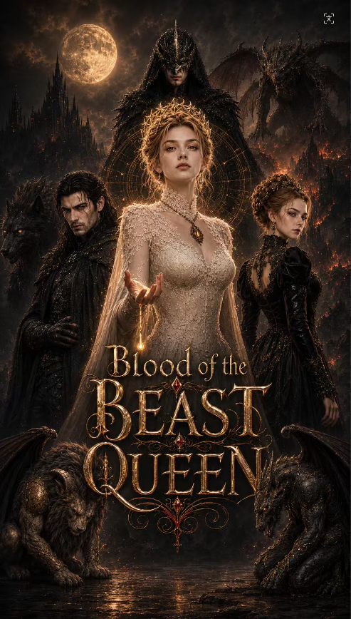 | 镇兽王妃 | Blood of the Beast Queen | 40 | She was once a forsaken daughter, abandoned by her family, betrayed by her fiancé, and cast into the jaws of monsters. Yet when her golden blood fell, even the most ferocious beasts bowed before her. He is a beast hunter burdened with a five-century blood debt, yet the only man who would kneel for her, shield her from blades, and lose himself to madness for her sake—only to regain clarity in her presence. Everyone wanted her to become the "Beast King," commanding all creatures and ruling the world. Yet she refused the throne, shattered the chains, and freed the first beast, liberating all the imprisoned, enslaved, and weaponized monsters. When five hundred years of blood debts, lies, and conspiracies finally came to an end, she believed she had created a new world without kings or slaves. In the deepest abyss, a colossal eye older than any beast king slowly opened. It whispered: "A world without a king is not freedom, but only chaos. And it has waited for this day far too long.". | EP8 | Femae | https://f.io/c081_NTs
2 | Non‑Exclusive |  | 龙焰王妃 | Blood Of The Dragon Bride | 40 | She was once the "daughter of the calamity" reviled by the entire city, and the decade-old sacrifice offered to the Dragon's Abyss in the Withering Kingdom. Yet as the dragon's flame surged toward her, golden patterns identical to the flame's origin flared within her blood. Even the thousand-year slumbering evil dragon, for the first time, withdrew its flames from a "sacrifice.". He was the cursed Black Knight Drevin, a dragon's descendant sealed within a dragon's body for three hundred years, and also the man who fought to the last breath in his previous life to protect her. When the century-old sacrifice, the blood feud of past lives, and the throne's conspiracy were finally torn apart, Ira refused to become a new tyrant. She chose to return the dragon's flame to all, reviving the withered continent and freeing her cursed beloved. Yet, at the very depths of the dragon's abyss, the remains of an ancient dragon older than the first slowly opened its eyes. It whispered: A world without a dragon king is not rebirth, but the beginning of a new calamity. And it has waited in the darkness for far too long. | EP8 | Female | https://f.io/FWZ3U9Wi
3 | Exclusive Available | 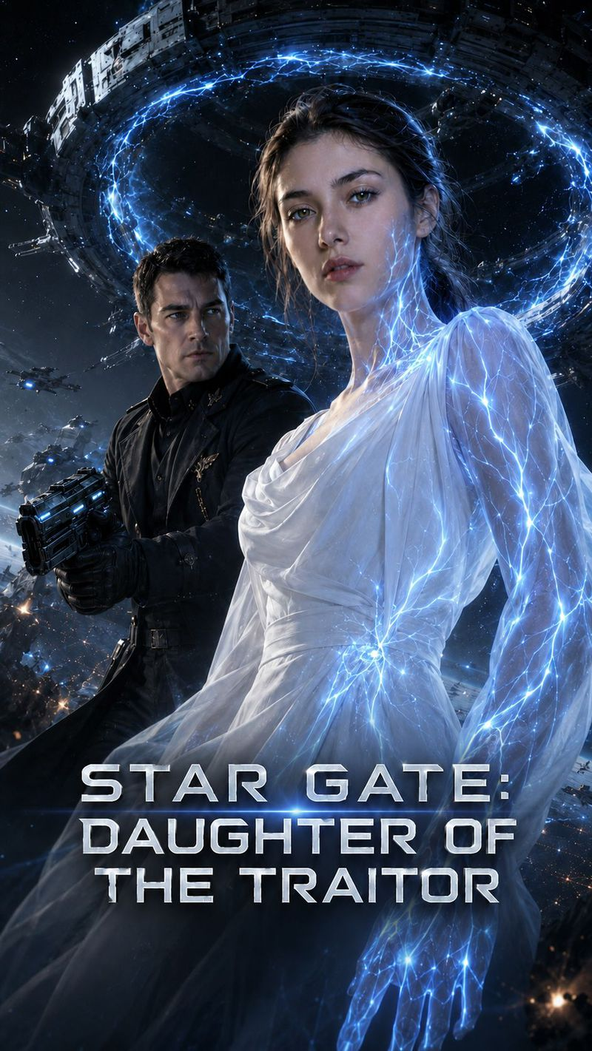 | 星门叛徒之女 | Star Gate:Daughter of the Traitor | 40 | The Earth's colonial system is about to collapse, but the Stargate has been silent for ten years. Eva, who was condemned as the "traitor's daughter" by the world, disguised herself and infiltrated the Stargate space station in order to uncover the truth behind her father's and the first expedition's disappearance. However, she unexpectedly awakened the outer star map that had been unreadable for ten years. Cold faced Captain Kane was originally ordered to monitor her, but during the investigation, it was discovered that Eva's father's "defection evidence" had been tampered with by the highest authority. The two gradually uncover the truth during their escape: ten years ago, the first exploration team did not betray humanity, but was trapped at the other end of the stargate after successfully crossing it and being manually closed by General Voss to return to the coordinates. When Voss manipulates public opinion again, pursues Eva, and attempts to take away the star chart, Eva must transform from the "traitor's daughter" to the only key to the star gate for humanity. She teamed up with Kane to fight against the military conspiracy, uncover a decade long injustice, restart the Stargate, and search for a new home for the endangered Earth. | EP8 | Female | https://f.io/b8O3mTHL
4 | Non‑Exclusive | 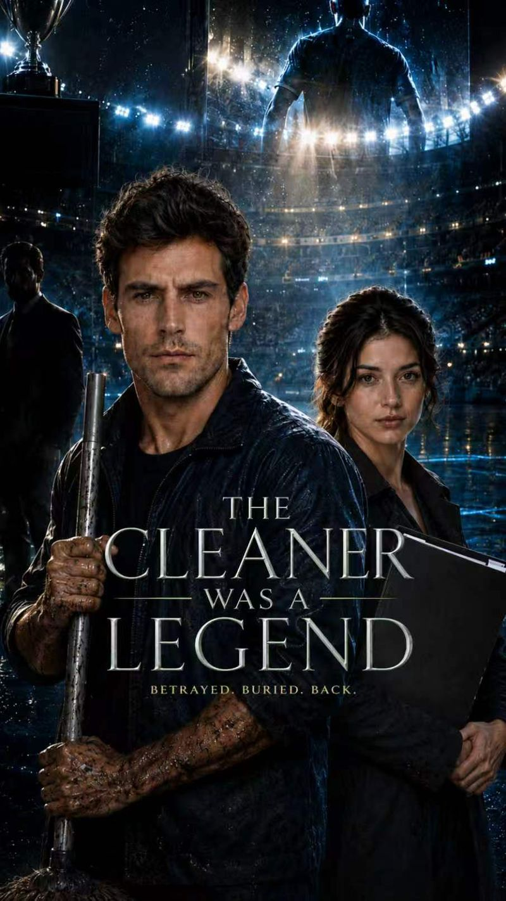 | 清洁工竟是封神队长 | THE CLEANER WAS A LEGEND | 40 | Five years ago, he was the most dazzling legendary captain in the history of the global football championship. Five years later, he dragged the ground in the stadium where he had shouted his name - framed as a traitor, hiding the truth and the fact that he was the hidden heir of this stadium. Until a team doctor believed him, the buried king stood up again. | EP8 | Male | https://f.io/Hw8fs5MA
5 | Exclusive Available |  | 替嫁新娘 竟是冷血杀手 | MARRIED TO HIS ASSASSIN | 32 | Ava Monroe, who was considered an abandoned child by her family, was forced to marry her sister into the wealthy Hawthorne family and marry the rumored disabled, violent, and dying heir Nathan. On her wedding night, she wore a wedding dress and killed the assassin, only to discover that the name written on the engagement was never her sister's name, but her own; Nathan already knew her true identity. With the life and death threats of Black Chapel and his brother Eli, as well as the gradual revelation of the twelve year Hawthorne extermination case, Ava and Nathan go from testing and guarding each other to fighting side by side and seeking revenge, ultimately facing the mastermind behind her training as a 'cold-blooded killer'. | EP8 | Female | https://f.io/GnRWoWuR
6 | Non‑Exclusive |  | 龙蛋 | Dragon Egg | 45 | Three hundred years ago, the dragon that saved the kingdom was betrayed and reduced to ashes, leaving behind a single egg branded by the world as “cursed.” Three hundred years later, eight-year-old Prince Cael, whose magic reading tests at zero, is stripped of his title and exiled alongside his mother, Elara, by the Grand Priest Vasran. Amidst the mockery of the nobles, Cael picks up the discarded “dead egg” and unexpectedly hatches a dragonling that bonds with him as its master. On the road of exile, the “cursed” mother and son face relentless bullying from a corrupt innkeeper, greedy local thugs, a land-usurping steward, and a hypocritical noble lord. However, young Cael is no helpless prey. Armed with a small ledger to “add it to the list” and the power of his dragon, he uses a calm intellect far beyond his years to outmaneuver the wicked step by step, making them pay for their crimes. When the Ancient Dragon Stele glows in his presence, Grand Priest Vasran finally realizes the dragon bloodline survives, drawing a 300-year-old hunt and conspiracy to a head. Facing a deadly blood sacrifice in just three days, the seemingly cornered “little fox” Cael still holds a defiant smile. A counter-strike to overturn the entire dark kingdom is quietly unfolding. | EP8 | Male | https://f.io/zzmLMC2o
7 | Non‑Exclusive | 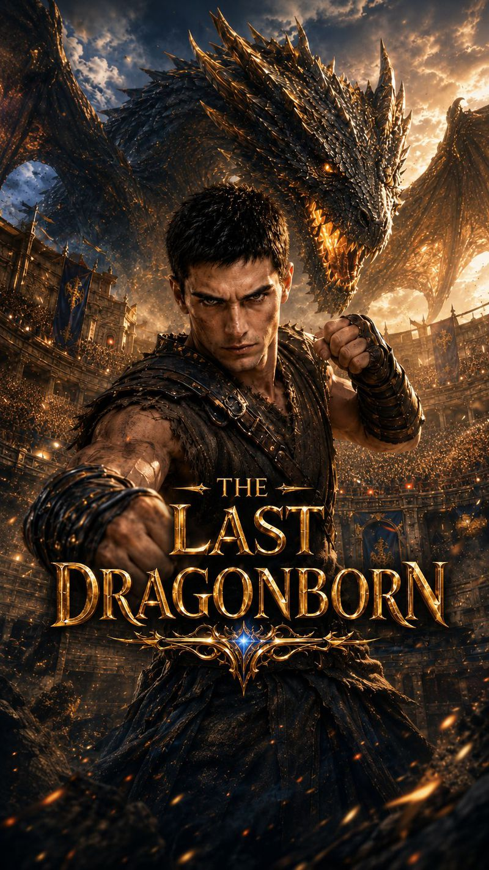 | 最后的龙裔 | THE LAST DRAGONBORN | 45 | Three hundred years ago, the kings betrayed the true dragon. Before dying, the dragon hid its last flame inside a child. Three hundred years later, he is the lowest slave in the arena, mocked as the one the dragon spat out. No one knows he is the erased heir of the Dragon Court, carrying the last dragon in his blood. In the arena, he hides his power and uses skill, strategy, and one word—“Noted”—to make gamblers, nobles, and enemies fall one by one. But when the ancient dragon stone bleeds for him, the capital realizes the last dragon heir is still alive. The royal envoy arrives with the Dragon-Binding Collar. The moment the collar locks, the dragon heartbeat inside him stops for the first time. | EP8 | Male | https://f.io/ATz2PsK2
8 | Non‑Exclusive | 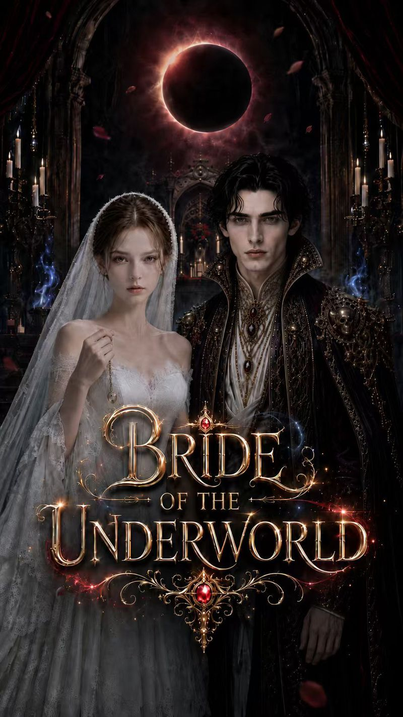 | 冥王的献祭新娘 | BRIDE OF THE UNDERWORLD | 40 | Twelve brides were sacrificed to the God of Death. All twelve turned to ash. When Cora, the thirteenth bride, is thrown into the Underworld, she doesn’t die — she blooms. She is the only living thing Hades can touch without destroying. But the sacrifice was never divine. It was a lie. And when Cora’s dead mother leaves her one warning — “If the flower blooms, he has found you. RUN.” — the real monster may not be the god who wants her as his queen. | EP8 | Female | https://f.io/u710jOfe
9 | Non‑Exclusive | 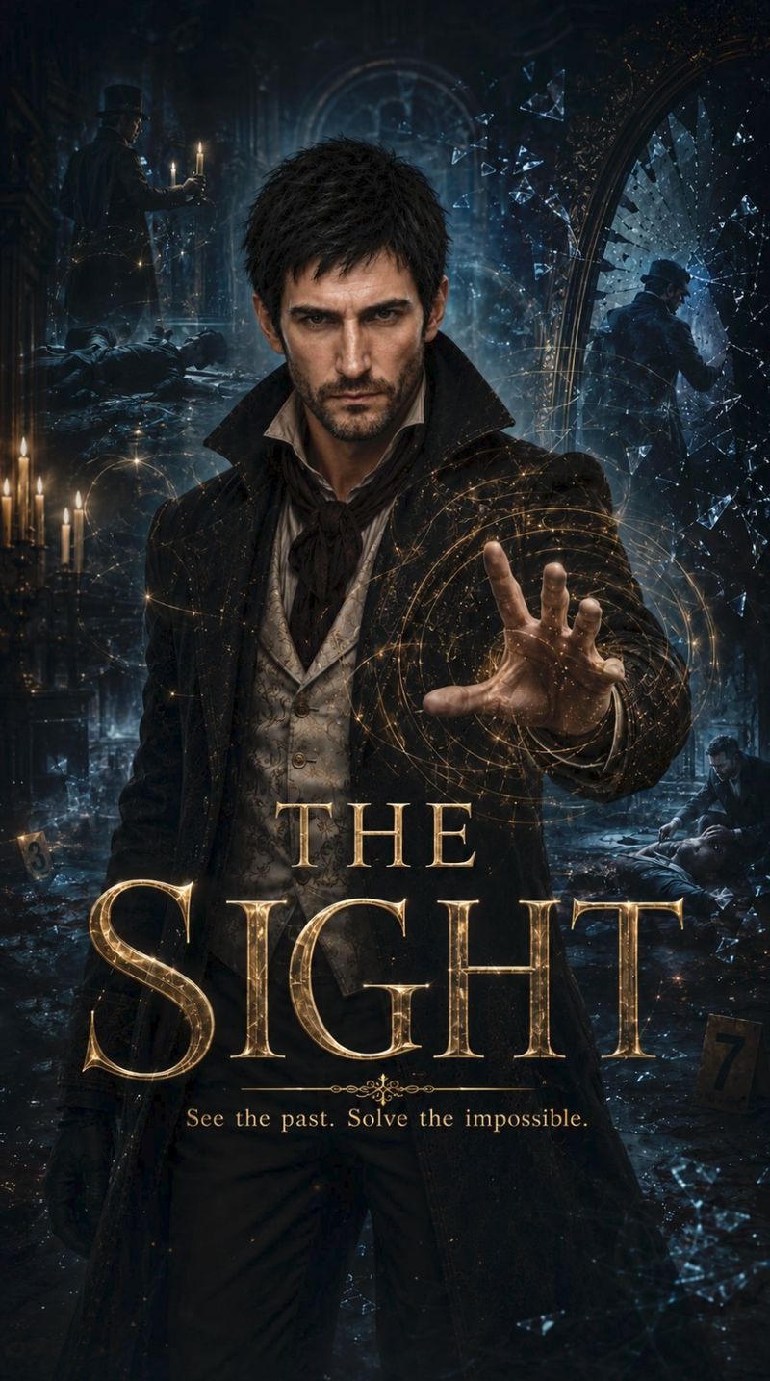 | 灵视侦探 | THE SIGHT | 40 | In a kingdom shrouded in gaslight and fog, disgraced former detective Elias Thorne lives with a cursed gift: whenever he touches an object connected to a murder, he sees shattered, blood-soaked echoes of the crime. When a Cabinet minister is found dead inside a locked room, the helpless Royal Yard drags Elias back into the case. His visions and razor-sharp deductions expose the killer—only for Elias to discover that the confession is too perfect, the suspect is merely a pawn, and the real murderer wears the royal crest. As witnesses are silenced, his closest ally is suspended, and every vision steals more of his life, Elias must solve a chain of impossible crimes before the conspiracy at the heart of the kingdom erases him. But the deeper he investigates, the clearer it becomes: the shadow behind this murder is the same one that destroyed his life years ago. | EP8 | Male | https://f.io/L3HQcXpH
10 | Non‑Exclusive |  | 午夜车王 | MIDNIGHT KING | 40 | Three years ago, the Kessler family killed Kai’s brother and framed him, destroying his life. Three years later, Kai hides his true identity. By day, he is a meek, bullied "loser" clerk at Kessler Corp. By night, he transforms into the "Phantom," an undefeated, masked racing king in the underground street racing scene. Mia, a desperate low-level employee burdened with debt, is exceptionally hired as the Phantom's exclusive mechanic due to her outstanding mechanical genius, and accidentally discovers Kai's dual identity. The two strike a confidentiality and employment deal. Facing humiliation by day from Trent, the boss's spoiled son, and malicious sabotage by night from the reigning champion Viktor, Kai ruthlessly crushes his rivals on the track while silently protecting Mia in the shadows. When Mia's brother is denied his life-saving surgery by a malicious Trent, leaving her utterly desperate, Kai finally drops his disguise. With a single phone call, he forces the high-and-mighty Kessler family to their knees. As the dark conspiracy of three years ago and Kai's terrifying, hidden power come to light, a devastating revenge to tear the Kessler empire to rubble officially begins. | EP8 | Male | https://f.io/skTht9W5
11 | Exclusive Available | 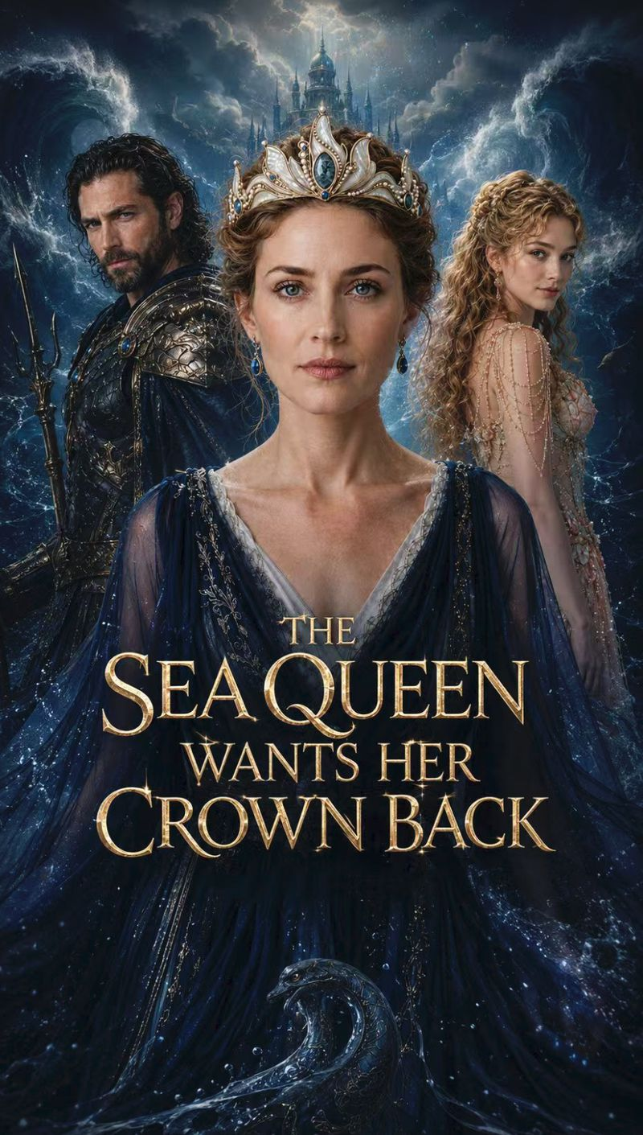 | 海后夺权 | The Sea Queen's Coup | 40 | Queen Amphitrite discovers her husband’s trident, palace and legions were all her dowry. Armed with Hera’s divorce precedent, she repossesses her assets item by item — and teaches the Sea King how drowning feels. | EP8 | Female | https://f.io/L0H3PcQp
12 | Non‑Exclusive | 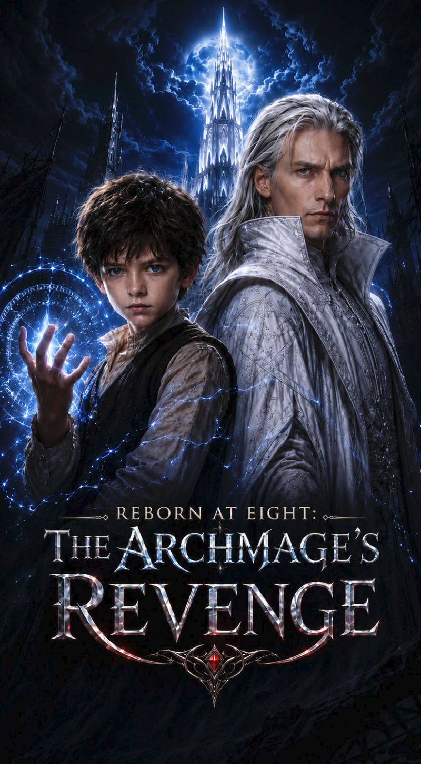 | 转生八岁： 大魔导师的复仇 | THE ARCHMAGE REBORN BETRAYED BY MY DISCIPLE | 40 | Reinhardt, the kingdom’s greatest archmage, is betrayed by his disciple Cecil and the crown. With his final breath, he casts a reincarnation spell and awakens as Leon Grey, the eight-year-old son of a ruined border baron. On the day of his rebirth, the Grey family is under attack. Using the knowledge of his former life, Leon rebuilds his magic, drives off their enemies, revives dead farmland, treats his dying mother, and reclaims stolen mines—giving his new family a chance to survive. While investigating the Greys’ downfall, Leon discovers that they were purged for once helping the White Tower. His new family’s ruin and his murder in his former life were caused by the same conspiracy in the capital. An invitation from the Royal Magic Academy opens Leon’s road back to the capital. Then he learns that Cecil has stolen the White Tower and become the King’s favorite—and the greatest mage alive. His enemy stands above the clouds, while Leon is only eight. But the teacher has returned. | EP8 | Male | https://f.io/gCftMKC8
13 | Exclusive Available | 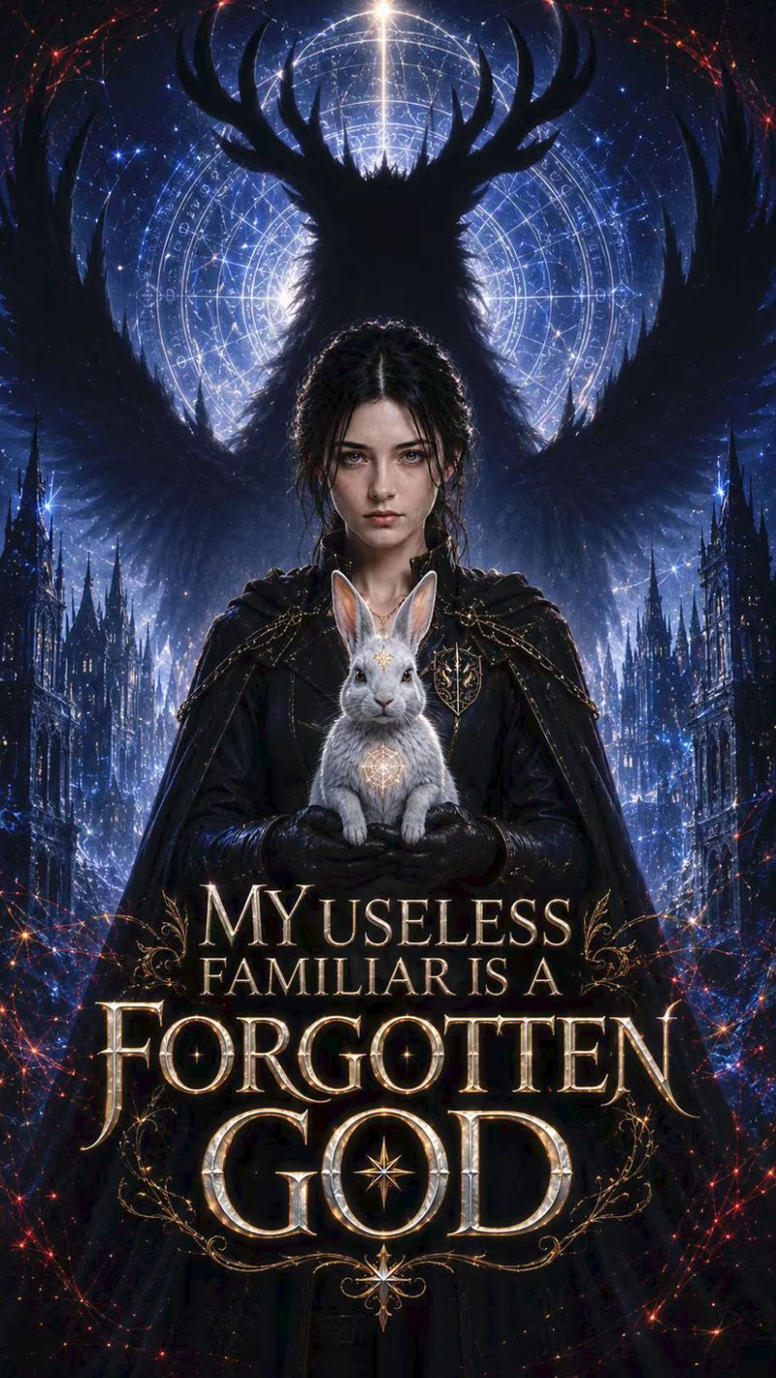 | 我养的那只废物兽魂 是失传的神 | MY USELESS FAMILIAR IS A FORGOTTEN GOD | 40 | Once condemned as cursed, Wren lost the moon-white rabbit—the only creature that protected her—on the execution stage. Reborn, she vows to save it, only to discover that the mocked rankless familiar is a forgotten god buried by the great houses three centuries ago. With the power to see the truth inside beast souls, she exposes the ranking system’s lies and draws the proud golden-blood heir Casimir to her side. When the god awakens and every beast bows, the Sacrarium unleashes the original sealing array. Wren must uncover the betrayal of her past, survive their shared mark, and fight a world that measures every life by rank. | EP8 | Female | https://f.io/tXFWriwj
14 | Exclusive Available | 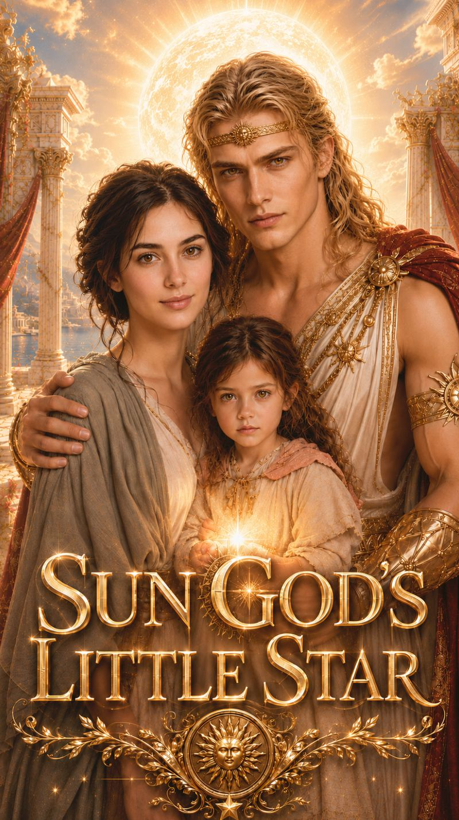 | 太阳神的小星星 | SUN GOD'S LITTLE STAR | 40 | The amnesiac Sun God Apollo catches a golden-eyed little girl stealing a divine relic—only to discover she is the daughter he never knew he had. To save her dying mother, the mortal woman he once loved and forgot, Apollo must recover his stolen memories, uncover her years of captivity, and defy the heavens to win his family back. | EP8 | Female | https://f.io/_zC4mtcA
15 | Exclusive Available | 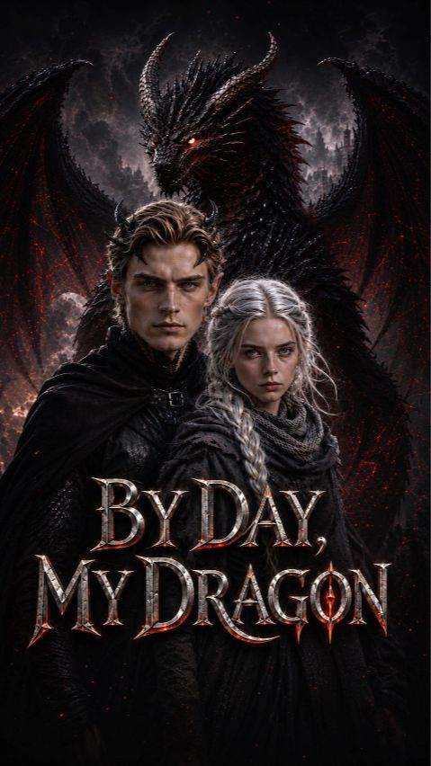 | 白昼巨龙 | By Day, My Dragon | 40 | In a world where one’s identity and destiny are determined by the ability to bond with a dragon, Ila has been mocked as a failure for nineteen years. Her life changes forever when Kaelan—the last surviving ancient true dragon, condemned to execution—unexpectedly chooses her as his bonded partner. Kaelan has endured a curse for three hundred years: by day, he takes the form of a mighty dragon capable of shaking the heavens and the earth; by night, he transforms into a cold and mysterious man. As Ila and Kaelan flee from the relentless pursuit of the dragon-slaying Church, they gradually learn to trust each other and uncover the truth behind the extinction of the dragon race and the withering of the continent. The true mastermind, Vess, intends to devour Kaelan’s dragon blood, seize his power, and crown himself the new Dragon King. When Ila is forced to choose between sacrificing Kaelan and inheriting his power, she refuses to become another greedy conqueror. Instead, she chooses to fight by Kaelan’s side and return the dragonfire stolen by Vess to the dying land. In the final battle, Vess is consumed by the very power he sought to control. The withered continent is restored to life, and Kaelan is finally freed from his three-hundred-year curse. At last, he and Ila gain their freedom and choose to remain together. However, deep within the Dragon Abyss, an even older darkness begins to awaken, foreshadowing a far greater crisis yet to come. | EP8 | Female | https://f.io/j1bvq1CE
16 | Exclusive Available |  | 亿万富翁的秘密继承人 | The Billionaires Secret Heir | 40 | Disowned and pregnant in the rain, she swore to raise her child alone. Five years later, the billionaire she can’t remember comes looking — never knowing the boy is his. | EP8 | Female | https://f.io/GYwtwvFB
17 | Exclusive Available | 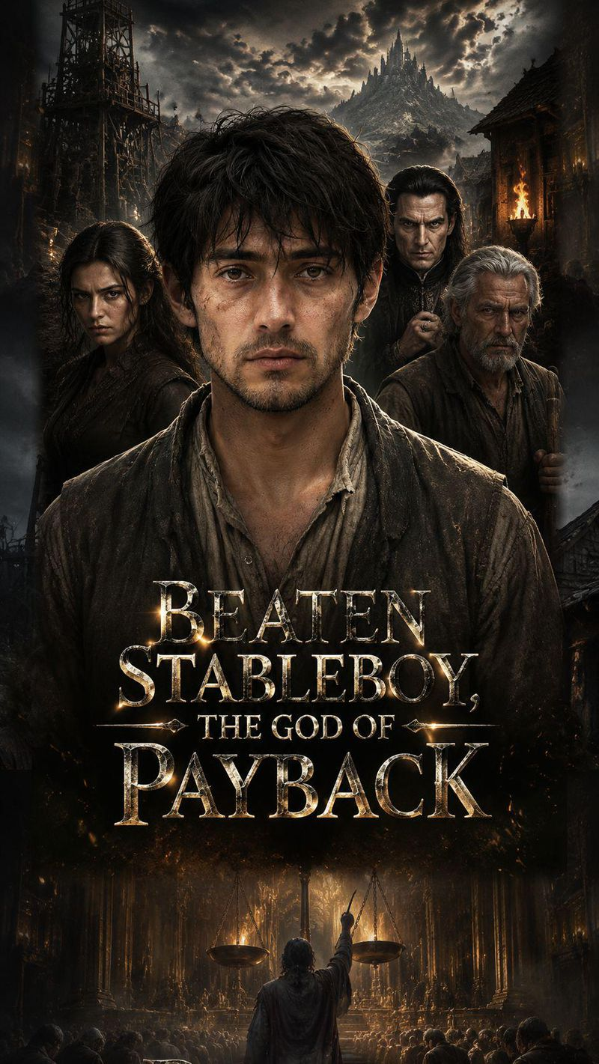 | 马夫，复仇之神 | BEATEN STABLEBOY, THE GOD OF PAYBACK | 40 | Three years ago, a mysterious man fell into a forgotten border town and became known as its cursed stableboy. No one knows where he came from. No one knows what he has lost. The only thing people know is that he never fights back. He is mocked, humiliated, and beaten while the entire town watches. Until the day a ruthless gambler raises a lash in the middle of the market. Everyone expects the stranger to break. Instead, he calmly says: “One lash. Three days. Tenfold. You sure?” Everyone laughs. No one believes a man who refuses to defend himself could possibly hold any power. But three days later, the first debt comes due. From that moment on, every cruelty returns, every hidden sin demands a price, and every debt finds its owner. Yet the town still doesn’t know the truth behind the silent stableboy. Who is he? Why does he carry burning rope rings on his wrist? And why would a man with the power to destroy his enemies choose to suffer instead? As forgotten secrets awaken and a mysterious force begins hunting him, Gray must decide before the final ring burns away — continue carrying the world’s debts, or reclaim the power he once abandoned. Because in this world, every debt gets paid. No exceptions. | EP8 | Male | https://f.io/1s8SZWp8
18 | Exclusive Available | 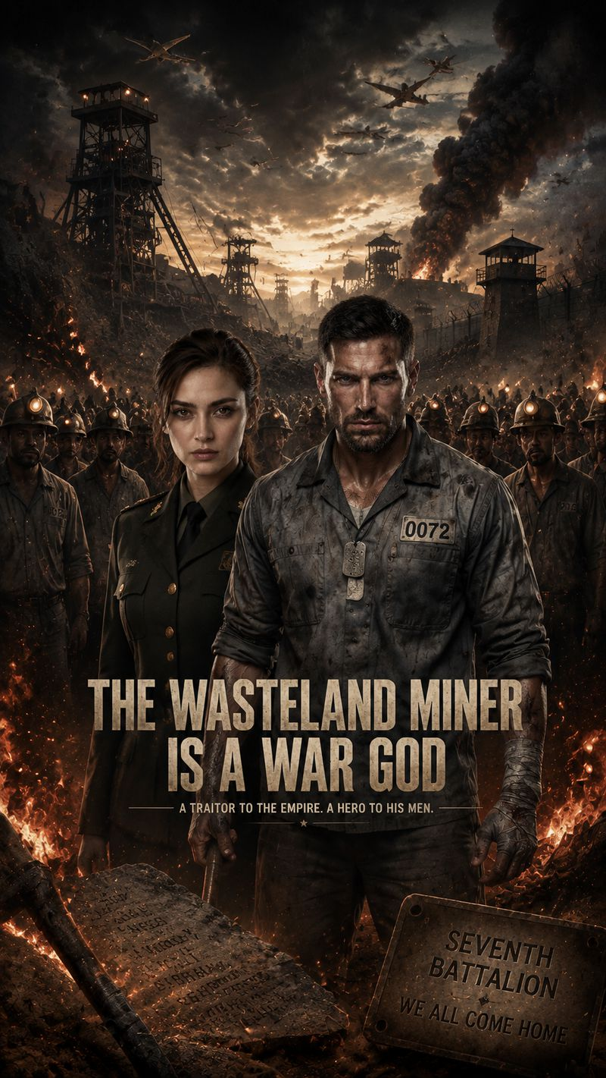 | 废土矿工竟是战神 | THE WASTELAND MINER IS A WAR GOD | 40 | Five years ago, a bridge explosion claimed seven hundred soldiers in the Black River Campaign. Kane, their field commander, was branded a traitor who betrayed his troops and exiled to a remote penal mine under the prisoner number Zero-Zero-Seven-Two. Hated and scorned by every miner, Kane endures endless torment at the hands of foreman Dukan, who steals his life-saving tunnel surveys and frames him repeatedly. Only Nora, a young military judge assigned to review old case files, spots fatal contradictions in the official records. She witnesses Kane’s instinctive battlefield reflexes and realizes the nationwide verdict against him is a fabricated lie.Major Harlow, the military overseer desperate to bury the truth, issues two ruthless orders at once: rush Kane’s final trial to lock him away forever, and seal Tunnel Nine’s carved rock wall with concrete to erase all traces of the fallen men. That night, veteran miners sneak into the forbidden tunnel and uncover a shocking secret — the entire stone wall is covered with seven hundred full names, carved painstakingly by Kane over years.On the eve of the wall’s burial, Kane returns alone to bid farewell to his men. He salutes the inscriptions for the first time in five years. Outside the tunnel, armored prisoner transports and concrete trucks converge simultaneously. The long-buried truth of the Black River tragedy, and justice for seven hundred forgotten heroes, hang in the balance. | EP8 | Male | https://f.io/83uznUJb
19 | Exclusive Available | 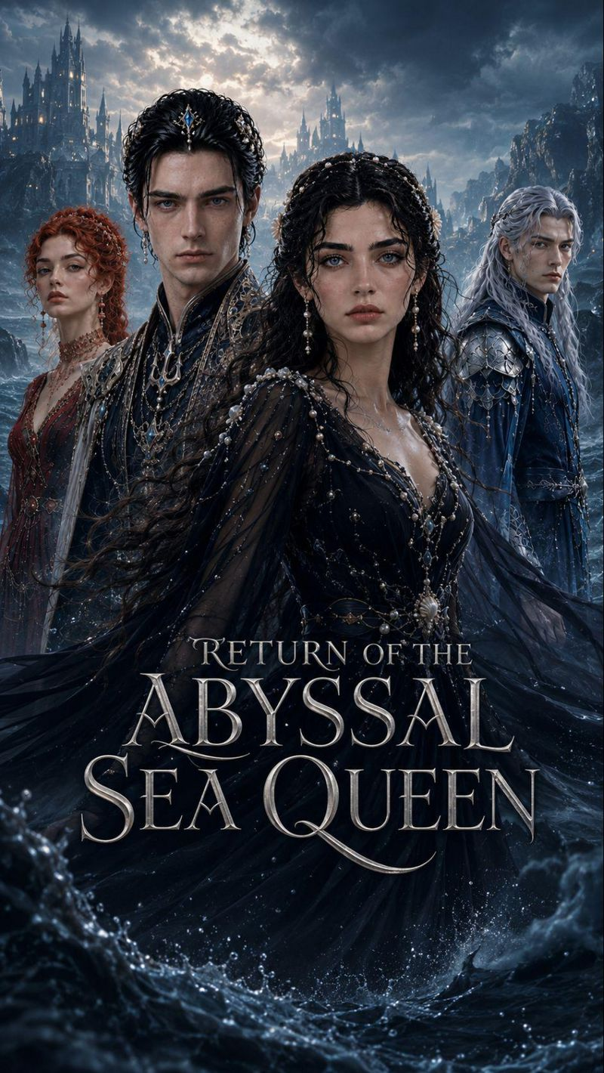 | 《深海女王逆袭归来》 | Return of the Abyssal Sea Queen | 40 | Three years ago, Maryse, the noble daughter of Chengchao, single-handedly reversed the tidal surge, saving Prince Luo Lan and the remnants of the army. However, the city of Linchao was swallowed by the tsunami, and she was branded as the "Star of Disaster." She exhausted her tidal power to revive Luo Lan, only to be met with annulment, stripped of her military achievements, and sentenced to drowning. Everyone believed the abyss would become her grave, but a thousand submerged lanterns illuminated her path. The forgotten army, slumbering for three centuries, bowed in submission, and the ancient abyssal palace recognized her as its master. Reborn, Maryse donned a dark sea robe and led the Black Pearl Fleet back to the sea capital. As she uncovered the truth behind Linchao's destruction and the Three Pillars' sacrificial array, she sought justice from those who had taken her titles, identity, and dignity. Yet, as the tidal heart in the former prince's chest burned anew and old enemies recognized her familiar face at a welcome feast, this vengeance upon the abyss was steadily drawing closer to an even darker conspiracy. | EP8 | Female | https://f.io/UAEFhMQG
20 | Exclusive Available |  | 她的凝望 | Her Gaze | 40 | Emma, a "good girl" college student, is bullied by campus cliques and repeatedly saved by the enigmatic "troublemaker" Vivian. As their bond deepens from strangers to confidantes, Vivian's true identity (heiress of the Sinclair Group) is revealed, exposing campus conspiracies (Jenna's frame-up). The two join forces against malice, but face forced separation from Vivian's mother (Mrs. Sinclair), navigating redemption and resistance amid identity, emotion, and power struggles. | EP8 | Female | https://f.io/OOU9Hz39
21 | Exclusive Available |  | 身怀石油大亨四宝 | Carrying the Oil Baron's Four Heirs | 40 | Carrying the Oil Baron’s Four Heirs follows Quinn Calloway, a broke veterinary student who makes a desperate one-night deal with Texas oil-and-ranch heir Wyatt Sterling to save her dying mother. Three months later, Quinn discovers she is pregnant with quadruplets — and the father is the billionaire uncle of her cruel ex-boyfriend, Brett. But the Sterling family will changes everything: Wyatt must marry and prove an heir is on the way before his thirtieth birthday, or the entire Sterling ranch and oil empire will pass to Brett. The four babies Quinn carries become the only thing standing between a dynasty and ruin, pulling her into a high-stakes battle of inheritance, revenge, forbidden love, and family betrayal. | EP8 | Female | https://f.io/DQRzLZ8G
22 | Exclusive Available |  | 咬我一口，我的伯爵 | Bite Me My Count | 40 | For five thousand years, the vampire world has been ruled by fear, blood, and endless loneliness. But when a broken young half-blood vampire named Aiden appears, everything that has remained unchanged begins to collapse. | EP8 | Male | https://f.io/Fas7OGXw
23 | Exclusive Available | 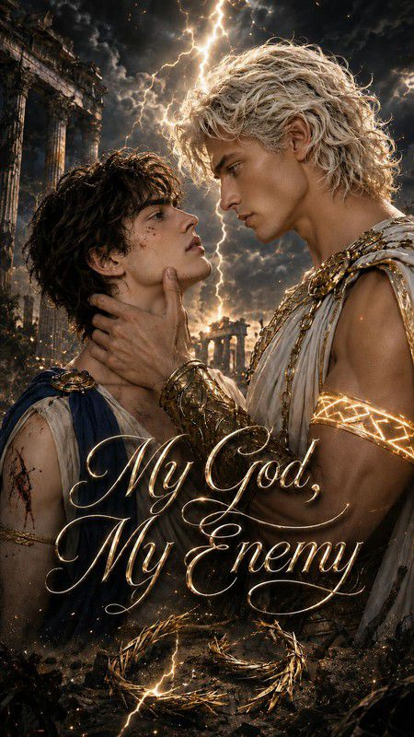 | 我的神明，我的宿敌 | My God My Enemy | 40 | Cadmus has survived by trusting no one. Beautiful and ruthless, he crosses a lawless forest alone—until more than thirty bandits surround him. | EP8 | Male | https://f.io/xaXIjTFL
24 | Exclusive Available | 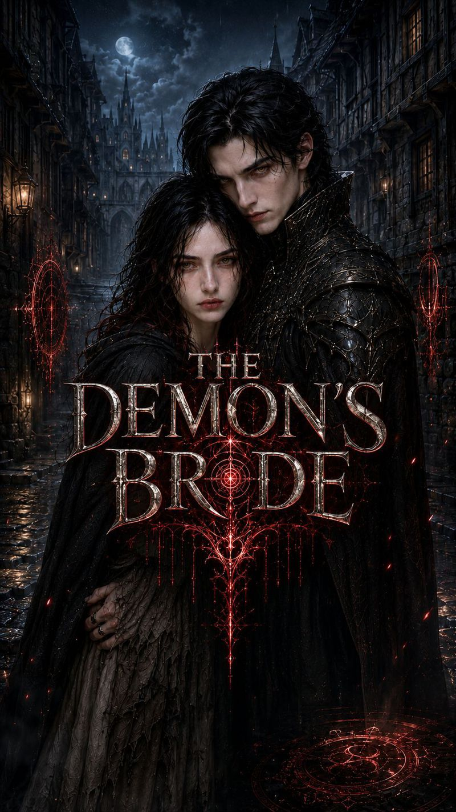 | 恶魔的新娘 | THE DEMON'S BRDE | 40 | On the night of the blood moon, Elara's younger sister is condemned to burn for carrying a deadly curse. Desperate to save her, Elara recites a forbidden spell and awakens Asmodeus, an ancient demon lord sealed away for a thousand years. | EP8 | Female | https://f.io/hcAeLyAn
25 | Exclusive Available | 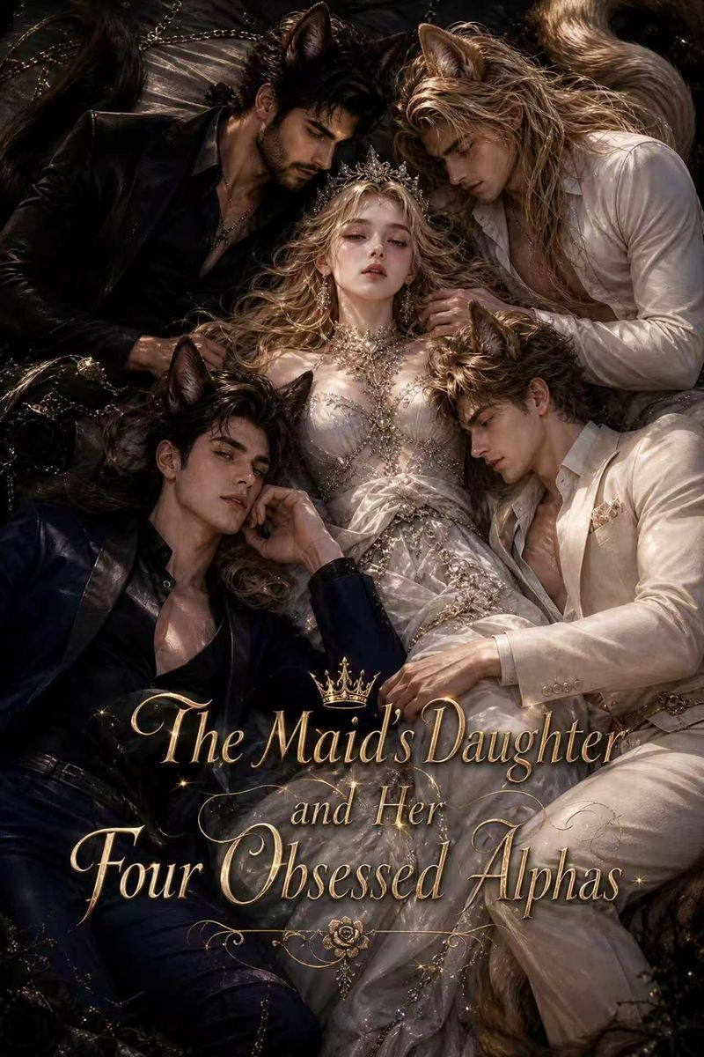 | 女佣之女与四位痴迷阿尔法 | The Maid's Daughter and Her Four Obsessed Alphas | 50 | Sadie, a maid's daughter raised at the bottom of the Canine Mansion, stands out with her silver-gradient cat looks among dog-aristocrat elites. She thinks she only needs to endure until she can take her mother away, but four men of the canine family drag her into a dangerous emotional vortex—Ronan, the abstinent Tibetan Mastiff patriarch; Jasper, the rakish hound heir; Adrian, the scheming Doberman second son; and Nathaniel, the shepherd butler gentle as a priest yet cold as an executioner. When she learns she is not a silver cat but the last heiress of the exterminated White Tiger clan, every flirtation, humiliation and test becomes the prelude to revenge. | EP11 | Female | https://f.io/mZLtY7ab
26 | Exclusive Available | 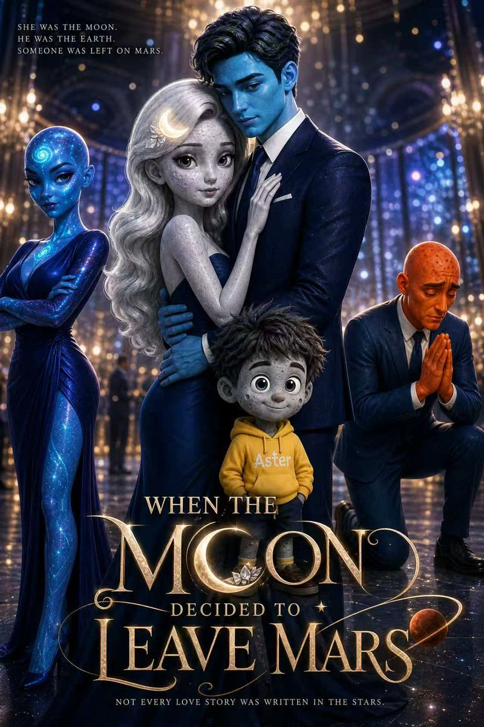 | 月亮离开火星时 | When the Moon Decided to Leave Mars | 49 | Luna slaved three months at a restaurant for husband Mars's birthday gift, only to walk in on him with Neptune. She slaps him and demands a divorce. Mars sneers she is a useless housewife who won't survive three days, and even their six-year-old son Aster takes Neptune's side. Kicked out penniless, she meets Earth, CEO of the Galaxy Group. Luna climbs from project manager to chief engineer on pure talent, while Mars loses his job, his son, and ends up a plumber. On Christmas Eve, he enters Luna's new home to fix the toilet; his son hands him two chocolates and says Merry Christmas—he lowers his cap, not daring to claim a single word. | EP11 | Female | https://f.io/yV6XBfYl
27 | Exclusive Available | 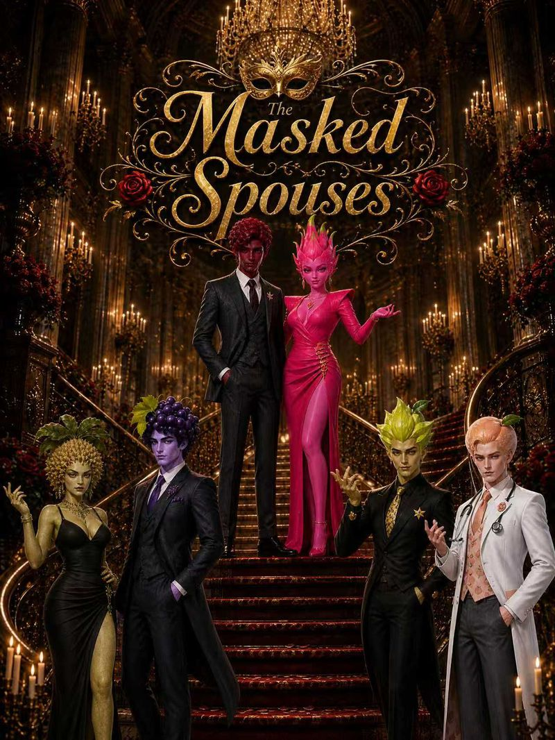 | 面具夫妻 | The Masked Spouses | 53 | Vivian, the envy of her upscale suburban community as half of a 'perfect couple,' uncovers husband Adrian's secret one night—the gentlemanly perfect husband is a closeted gay man having an affair with Camille's husband Julian. Worse, this marriage was a trap designed from the start by jealous Camille. Vivian gathers evidence and files for divorce, then discovers Adrian is terminally ill. As she chases the truth between charming Laurent and frantic Camille, she and Adrian see each other anew in life's countdown—she even stages a wedding for Adrian and Julian. When Camille's jealousy ends in a knife-wielding tragedy, Vivian and Adrian choose to walk the final stretch like true spouses—and in one tango, they say goodbye forever. | EP11 | Female | https://f.io/HsBNrkjw
28 | Exclusive Available | 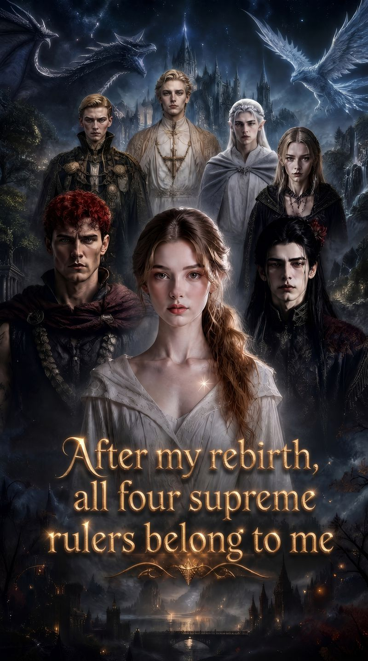 | 重生后四大至尊 | Reborn, Four Mighty Lords Are Mine | 40 | Ella is reborn and returns to her 16th birthday magic test day. Using memories from her past life, she outwits her stepsister Lillian, awakens ancient stellar magic, and attracts four powerful protectors: elven prince Leonardo, vampire duke Samuel, dragon lord Karen, and holy saint Gabriel. She patiently schemes her way through, obtaining the Blood Moon Codex in the Dark Forest, seizing the Dragon Crystal Core in dragon territory, and claiming the Reverse Light Scroll in the forbidden archives of the Holy See. Fusing stellar and shadow powers, she breaks through realm after realm. Ella systematically settles scores with enemies Lillian, Keller, and Iso, unifies the four factions to establish the Stellar Pavilion, and ultimately awakens complete stellar divine power in the final battle, crushing the villain alliance, banishing Lillian to purgatory, and ascending to the summit of the continent as the Creator Goddess of light and darkness, with the four male leads willingly staying by her side. | EP6 | Female | https://f.io/RJzHgdk5
29 | Exclusive Available | 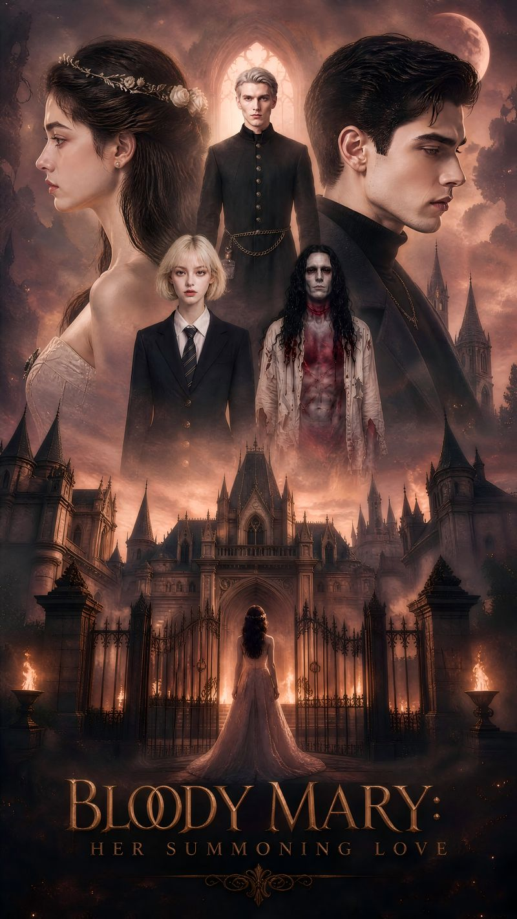 | 血腥玛丽：她的召唤之爱 | Bloody Mary: Her Summoned Love | 40 | A bullied girl accidentally summons the Reaper from a mirror, only to discover he is her lover from a past life who died for her. With guidance from bullet-screen comments, she rises from the bottom of the school's social hierarchy to become a vengeance queen, gradually nurturing the blood-soaked, fearsome evil spirit back into the stunning young man whose eyes were once only for her. One-line synopsis: When school bullies force her to play Bloody Mary, the white-clad female ghost that emerges from the mirror turns out to be a breathtakingly beautiful youth who died for her in a past life. | EP7 | Female | https://f.io/NC19SKrx
30 | Exclusive Available | 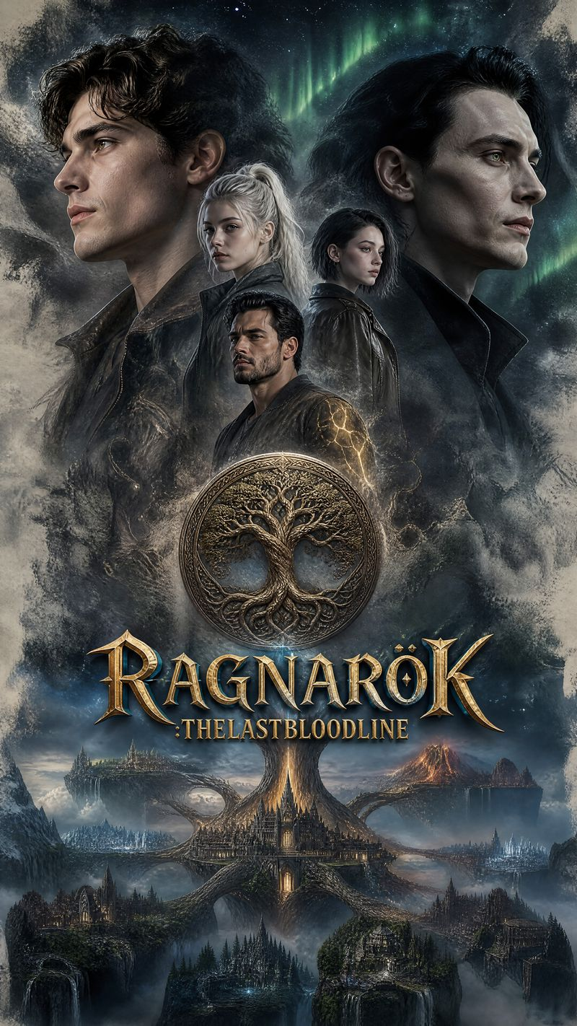 | 诸神黄昏：最后血脉 | RAGNAROK: THE LAST BLOODLINE | 40 | Erik Thorsson, twenty-four years old, lives in Bergen, Norway. His life can be precisely summarized in three things: fishing, drinking, and fixing his perpetually broken boat. His grandfather passed away last week, leaving him only a bronze pendant engraved with strange runes and an unfinished letter. The letter contained just three lines: “Erik, you are not of the Thorsson bloodline. You are the son of Odin. The Fimbulwinter has come. Find the other awakened ones before they are purged.” Erik tossed the letter into a drawer, thinking his grandfather was delirious in his final moments. But that night, he was attacked on the docks by a two-meter-tall man in black whose eyes had no pupils—only two burning golden flames. The man's voice seemed to come from deep within the ice: “Bloodline of Odin. Found you at last. Loki sends his regards.” Erik instinctively raised his arm to block, and his pendant exploded with a burst of silver-white light. Countless rune symbols materialized in the light, and unfamiliar marks began to burn into the skin of his right arm. He survived. He didn't know why or what he had done. But before vanishing, the man in black left one sentence: “The Purifiers won't stop. The next one is Frey's granddaughter. She's in Reykjavik. You have seventy-two hours.” Erik didn't want to be a hero. He just wanted to fix his boat, drink his beer, and live his life. But when he opened his grandfather's sailing log and found every page covered in maps of the Nine Realms and coordinates of sacred artifacts; when he first glimpsed a flash of silver flame deep within his own eyes in the mirror; when he witnessed the first frost giant descendant awakening from a glacier by the fjord in the dead of night—he realized his grandfather wasn't crazy. The countdown of the Nine Realms had begun. Loki's Purifiers were hunting every awakened one. And that young fisherman who had never left Bergen, who could barely speak proper Norwegian, was the last hope of the Nine Realms. | EP11 | Male | https://f.io/USzB0YJz
31 | Exclusive Available | 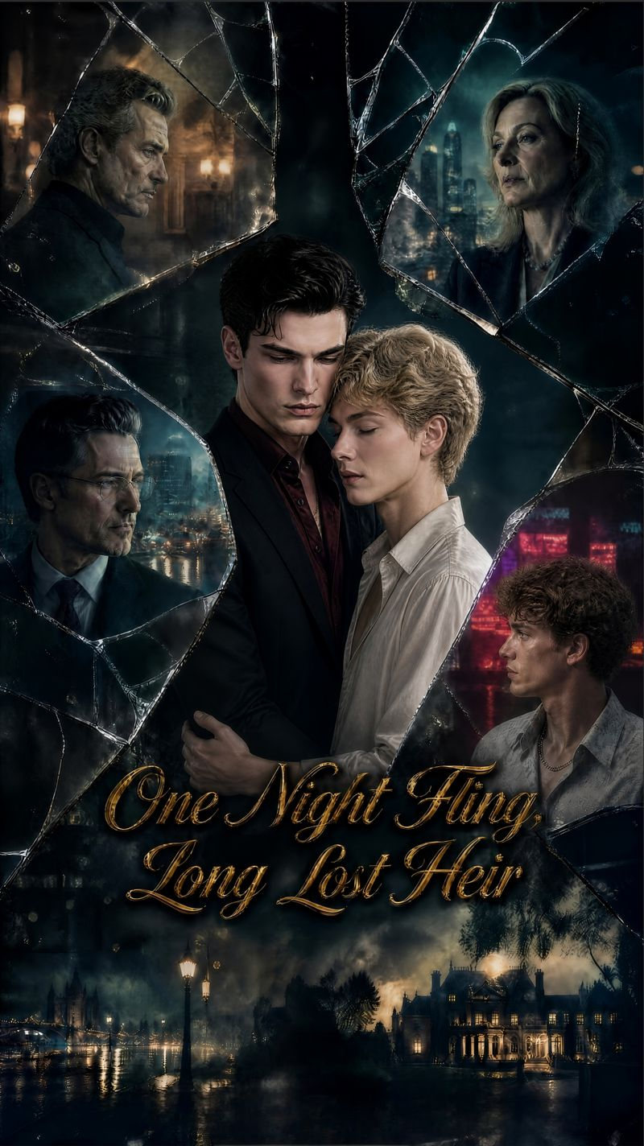 | 错枕春宵 | One Night Fling, Long Lost Heir | 40 | The spoiled fake young master leaves after a one-night affair, only to discover that his partner is the real heir who stole his identity. Caught in a fierce battle of control and emotional push-and-pull, the two gradually move from hostility to mutual attraction. Together, they uncover and bring down a wealthy family conspiracy that has been hidden for twenty years. | EP6 | Female | https://f.io/Lhs_NkKv
32 | Exclusive Available |  | 继兄的禁忌执念 | My Stepbrother’s Forbidden Obsession | 40 | Lyla longs to break free from the restraints of her wealthy family and eagerly prepares to marry her fiancé Kane, unaware that this marriage is a trap orchestrated by Kane and her close friend Mia to seize her inheritance. When the truth is exposed on the eve of the wedding, combined with her forbidden entanglement with Elias, Lyla is plunged into shame and emotional collapse. She is later imprisoned and forced into marriage by Kane, falling into complete despair. After awakening from the brink of death, Lyla tears away her innocent facade and joins forces with Elias, who has secretly loved her all along. Together, they expose all the conspiracies at the wedding and completely ruin the betrayers. However, their forbidden relationship as half-siblings causes a nationwide scandal, and they face overwhelming pressure from their family and the upper-class society. Lyla gives up half of her inheritance to help Elias rise to power. Together, they fight against social condemnation, uncover the family secrets buried for decades, and eliminate all remaining enemies. In the end, they break the family’s strict prohibitions and escape the chains of social status and identity, transforming from forbidden adversaries into soulmates who share a life-and-death bond. | EP6 | Female | https://f.io/8e_f59i1
33 | Exclusive Available |  | 枕边错落 | One Night Fling, Long Lost Heart | 40 | A spoiled fake heiress leaves money behind after a one-night stand, only to discover the other party is the true heiress who usurped her identity. Through devoted protection and relentless push-and-pull, they go from bitter rivals to mutual attraction, joining forces to expose a two-decade-old family conspiracy. | EP6 | Female | https://f.io/Fr1dtxLM
34 | Exclusive Available | 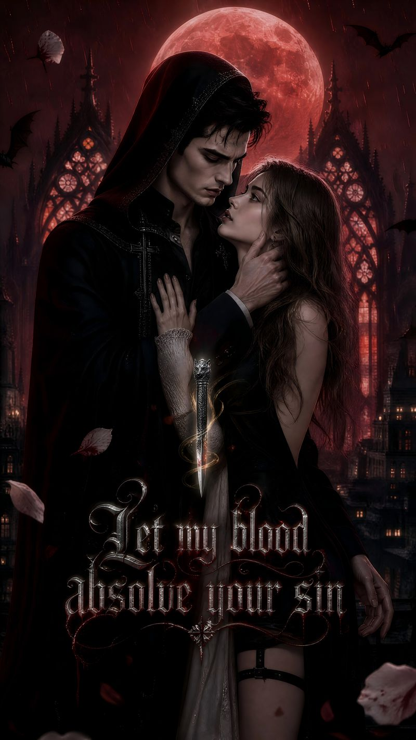 | 以我血赦免你的罪 | Let my blood absolve your sin | 40 | After her family was destroyed, Cecilia takes the alias Renata and is forced to approach Mafia Godfather Cesare. Unbeknownst to her, the Godfather and Father Samuel are the same person—a pureblood vampire who has been searching for her across a thousand years. Torn between manipulation and desire, she awakens three lifetimes of memories and realizes this encounter was his millennium-spanning pursuit. | EP6 | Female | https://f.io/kbKwjdpY
35 | Exclusive Available |  | 阿尔法·凯尔的契约之月 | Alpha Kael's Contract Luna | 40 | A pureblood Omega of the Moon Shadow Clan, stranded in the human world, is forcibly brought back to the werewolf tribe for a political marriage. She and the iron-willed Alpha Wolf King go from bitter rivals to trusted allies, falling in love amidst a vortex of conspiracy and ultimately ending a thousand-year conflict. | EP6 | Female | https://f.io/BNhH24k0
36 | Exclusive Available | 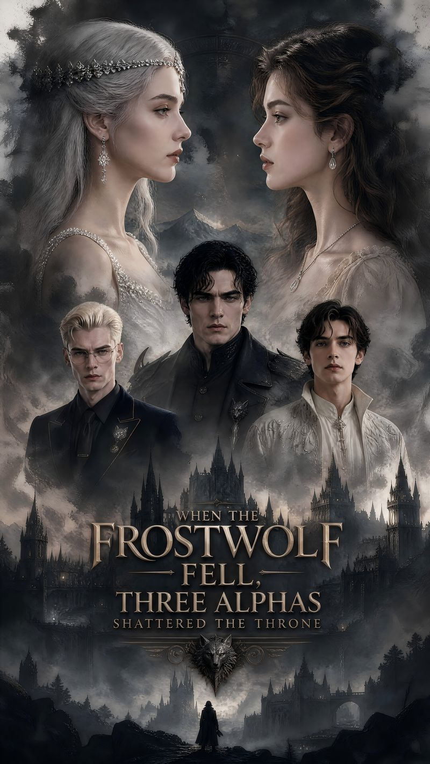 | 霜狼陨落时：三位阿尔法跪碎了王座 | The Fall of the Frost Wolf: Three Alphas Break the Throne Kneeling | 40 | Driven to despair by her stepsister's schemes, the heroine physically deletes herself from the werewolf soul network, sending her three Alpha brothers on a frantic global search. Five years later, she returns in designer crystal heels—her brothers shatter the throne kneeling before her, but cannot earn a single glance back. | EP6 | Female | https://f.io/moFtcfnQ
37 | Exclusive Available |  | 阿尔法的禁忌之痕 | Alpha's Forbidden Mark | 40 | On the night before her wedding, she mistakes her fiancé's uncle for him and spends the night—only to discover he is the supreme Dark Moon Alpha of the werewolf clan. From a sacrificial offering, the heroine awakens as the ancient Moonlight Goddess, and together they ascend to the pinnacle of power. | EP6 | Female | https://f.io/qQ-ql270
38 | Exclusive Available | 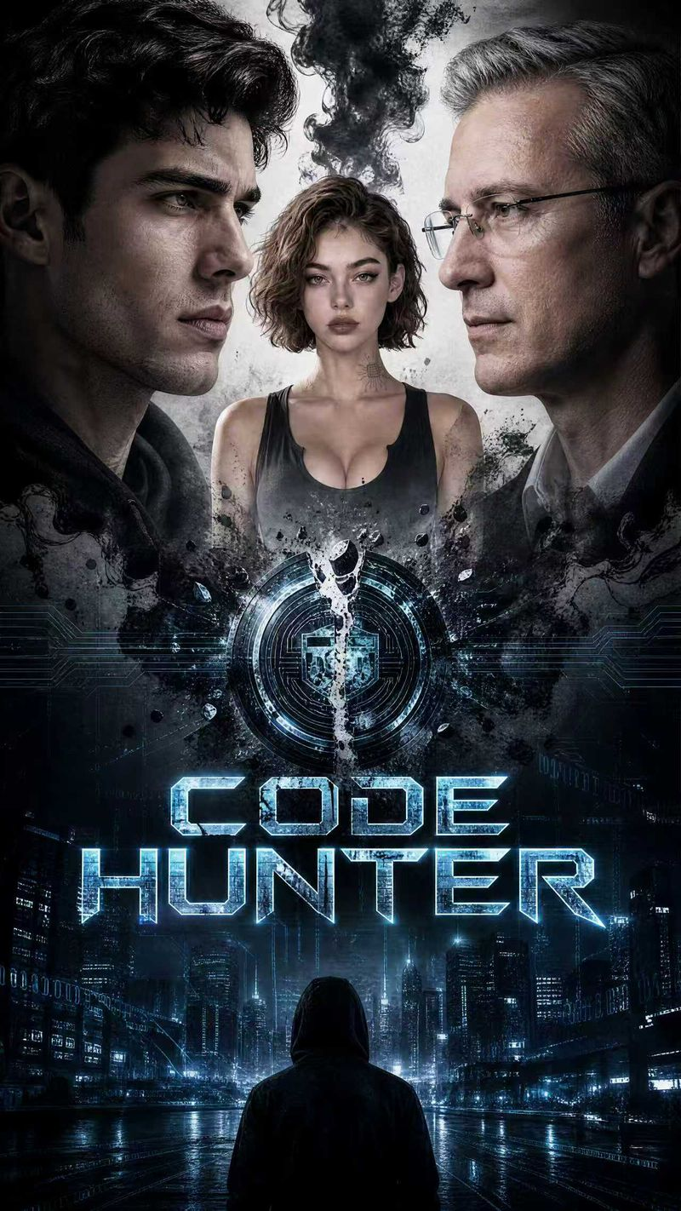 | 代码猎人 | CODE HUNTER | 40 | An elite data agent hunted by an entire nation must team up with a mysterious female hacker—also betrayed by the system—to hack an entire city within a deadline and expose the ultimate conspiracy known as the Pentarchy. | EP11 | Male | https://f.io/AlNNMHfh
39 | Exclusive Available | 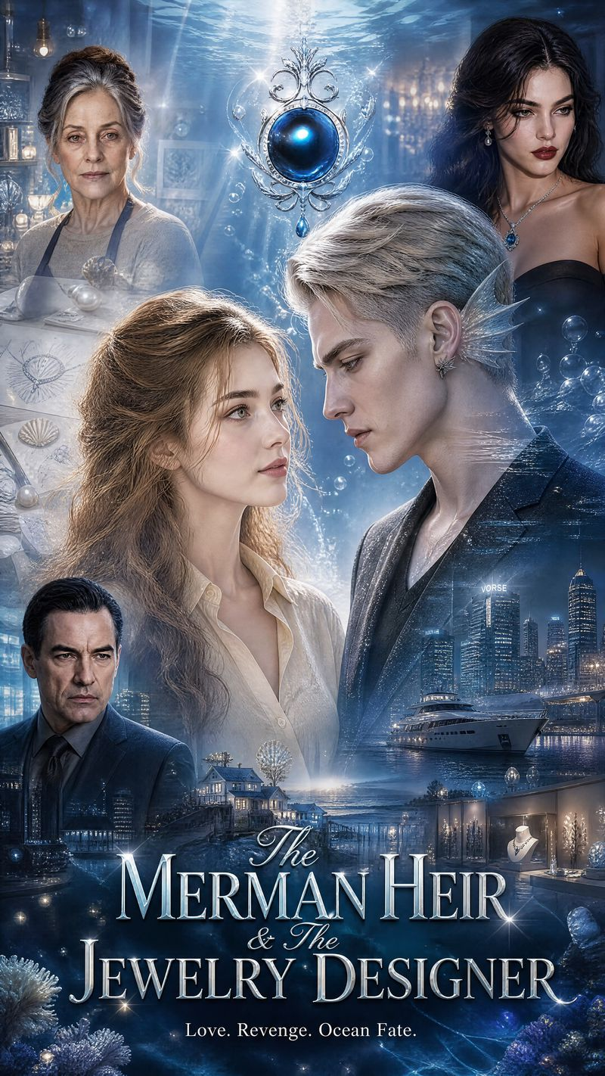 | 人鱼继承人与珠宝设计师 | The Merman Heir & The Jewelry Designer | 40 | Genius jewelry designer Elowen's original ocean series is plagiarized wholesale by heiress Serena, who blackens her name across the capital and forces her into hiding in a seaside town. In a typhoon, she rescues Kyle, heir of the merman consortium, wounded by an assassination attempt and drifting ashore. Kyle gifts her the mermaid's tide-sensing power and brings her back to the fashion capital. Together they fight behind-the-scenes capital boss Richard and pawn Serena, surviving engagement humiliation, car crashes, kidnapping, an unplanned pregnancy and a sea siege—finally exposing every crime at the international jewelry competition, clearing her name and bringing the villains to justice. Elowen wins the international gold, builds her own brand, bears a hybrid child with Kyle, and celebrates their wedding by the Atlantic. | EP6 | Female | https://f.io/CbiPgImA
40 | Non‑Exclusive | 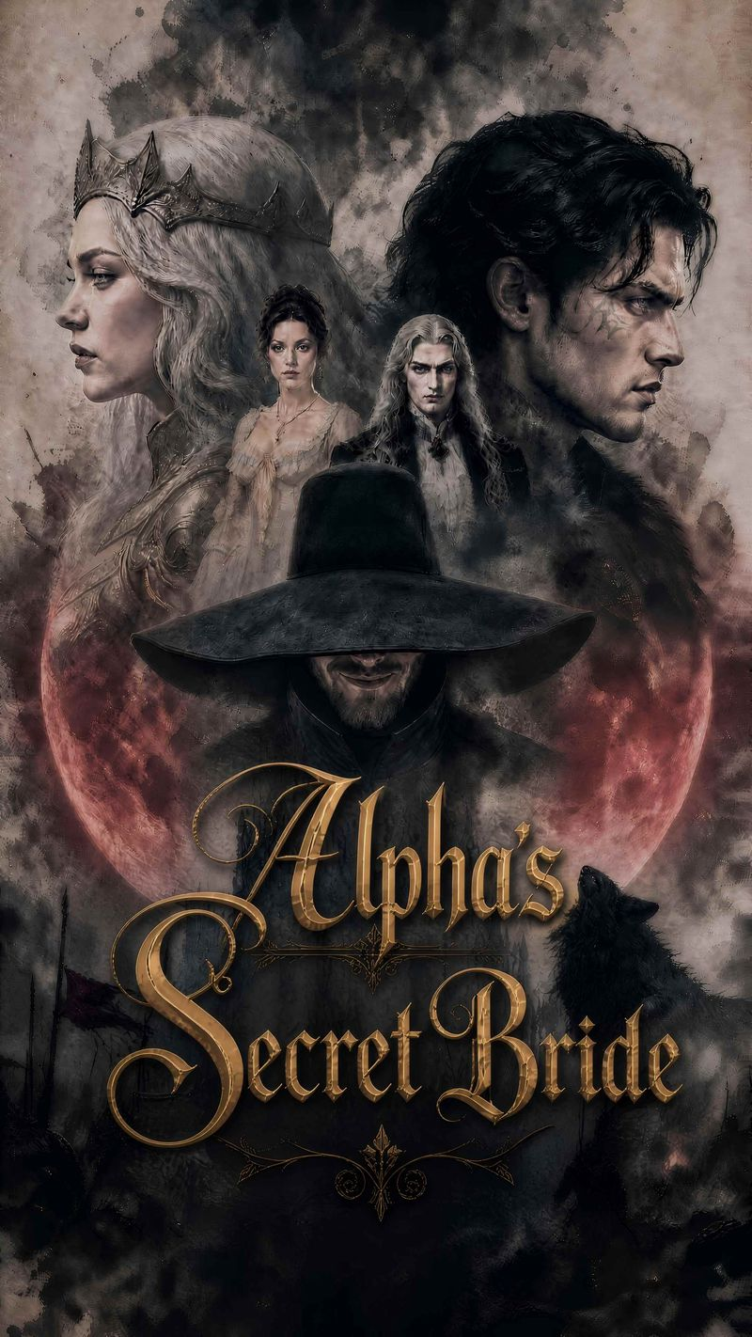 | 阿尔法女王的秘密新娘 | Alpha Queen's Secret Bride | 40 | Elara, the most powerful ancient Wolf Queen, was betrayed and killed by her most trusted warrior, Kane, in her past life. Reborn, she hides her bloodline and poses as a lowly human, deliberately sent to Kane as a forced bride for revenge. Kane ultimately recovers his past-life memories and breaks down in atonement; together they execute the true culprit and reclaim the throne. | EP11 | Female | https://f.io/Dul-erJ6
41 | Exclusive Available |  | 错撩前男友的教父 | My Ex's Godfather Is Mine | 40 | An art student from the bottom rung accidentally crosses the Mafia Godfather, sparking a one-night stand that spirals into an intense push-and-pull of emotions. Amid her ex-boyfriend's jealousy and family resistance, they fight their way toward each other. One-line summary: Humiliated publicly by her rich ex-boyfriend, a photography student gets drunk and mistakenly hooks up with a mature man, only to discover he is her ex's powerful Mafia Godfather. | EP6 | Female | https://f.io/H4AKUa-z
42 | Exclusive Available | 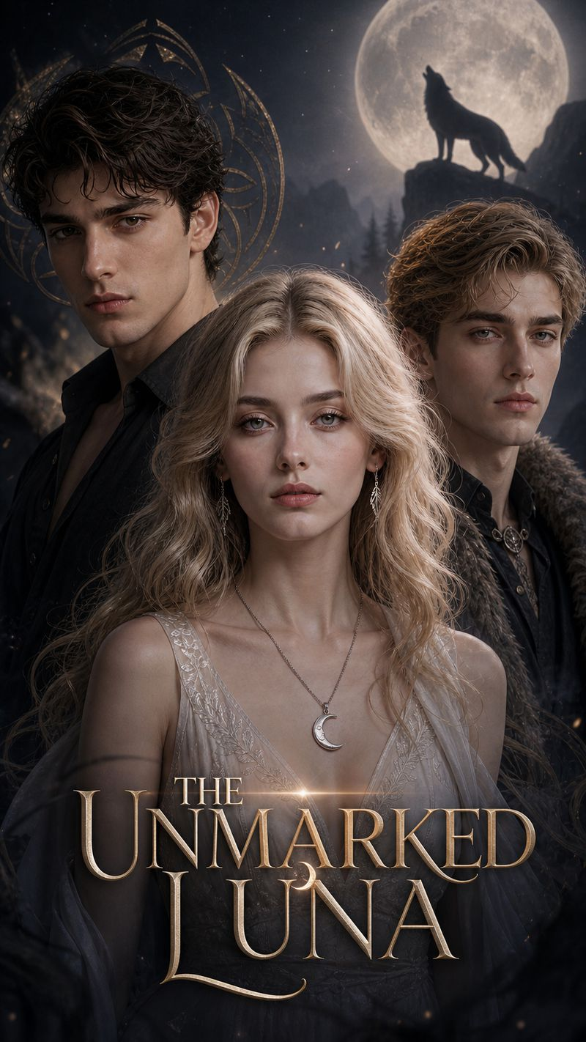 | 无印之月 | The Unmarked Luna | 40 | The female lead severs her soul contract to start an independent life. Her ex-wolf king abandons his throne and chases after her. A gentle Alpha clan leader offers warm protection. Amid the intense tug-of-war between two powerful males, the heroine ultimately finds equal, true love. One-line summary: After being betrayed by her wolf king husband, a pure-blood Omega erases her soul mark and lives incognito, drawing the pursuit of two top Alphas. In the end, she chooses respect over possession. | EP7 | Female | https://f.io/UxjucVIu
43 | Exclusive Available |  | 他的秘密训诫 | His Secret Discipline | 40 | When the ascetic professor she secretly loves and the gentle childhood friend who has always protected her both turn their dreamlike discipline into reality, the heroine finds herself unable to escape their dual control, and the three eventually forge an emotional contract beyond the mundane. | EP6 | Female | https://f.io/_ny-odAN
44 | Exclusive Available | 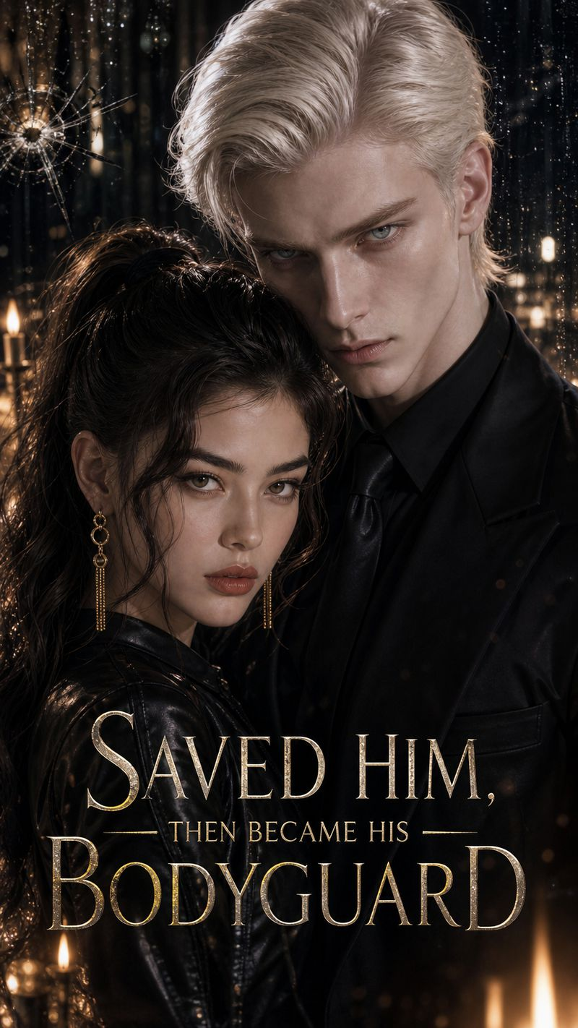 | 救下他，而后成为他的贴身护卫 | Saved Him, Then Became His Bodyguard | 40 | Valora, heiress of the Black Thorn Manor who once ruled the underworld, was born with extraordinary martial skill. Her father sent the orphaned boy Eli to her side in her youth. A deliberate fire consumed her family, and she rises from the ashes to reclaim her legacy. | EP6 | Female | https://f.io/-Us77k3f
45 | Exclusive Available | 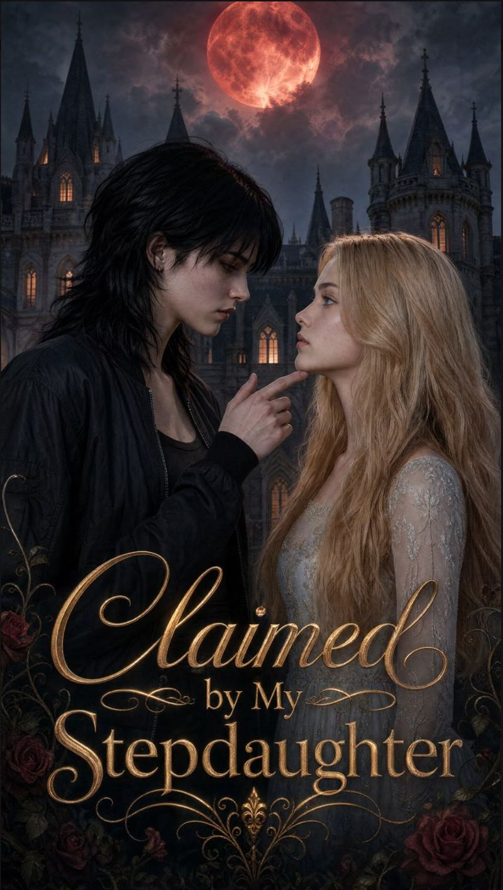 | 被继女占有 | Claimed by My Stepdaughter | 40 | The heroine is claimed by her stepdaughter in a twisted tale of obsession, power and forbidden desire within a wealthy family. | EP6 | Female | https://f.io/S8P7SGb9
46 | Exclusive Available | 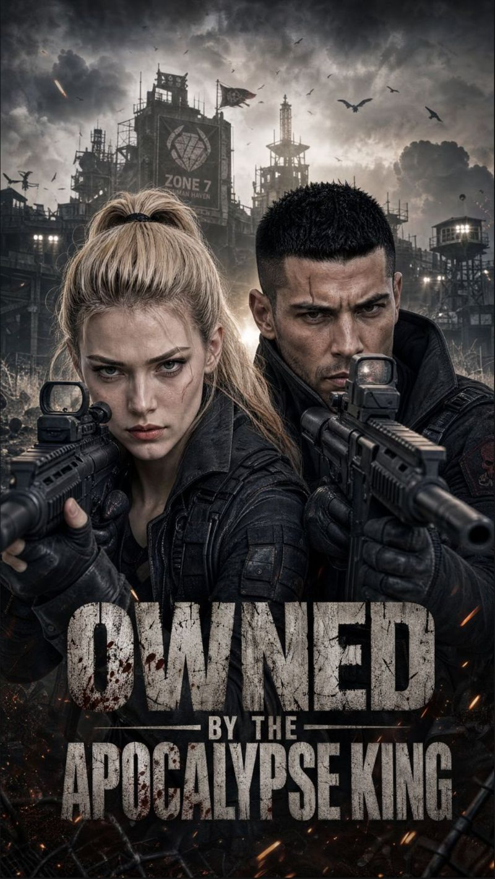 | 被末世之王占有 | OWNED BY THE APOCALYPSE KING | 40 | Seized by the King of the Apocalypse - a dark romance where the heroine is forced into his world of survival, desire and domination. | EP6 | Female | https://f.io/M0PgR-DC
47 | Exclusive Available | 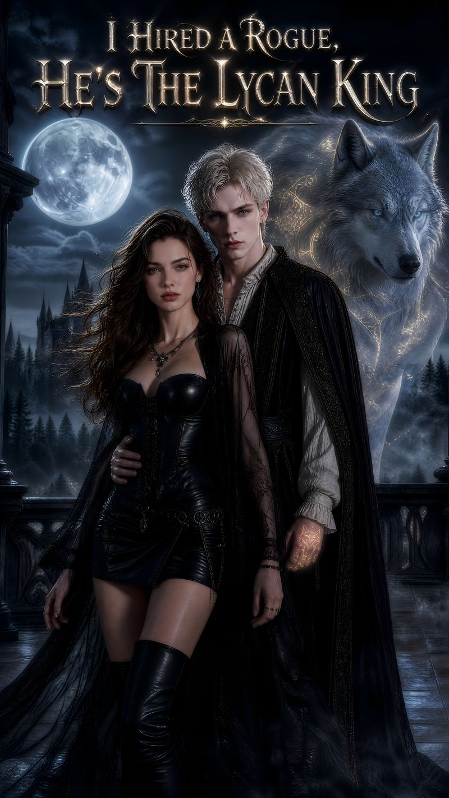 | 我雇的流浪狼竟是至高狼王 | I Hired A Rogue, He's The Lycan King | 40 | Scarlett Hale, heiress of the Hale clan, was framed by scheming orphan Lila Morrow and rival heir Kane Thorn in her past life, watching her brother die and her family fall before she was devoured by rogues in exile. Reborn with all memories on the eve of tragedy, she storms a mercenary tavern and drags back the most eye-catching rogue, Fenrir Valentine, hiring him to pose as her mate to distract her brother. Fenrir is secretly the Lycan King in disguise, and recognizes Scarlett as his fated one, so he stays by her side. Together they expose Lila's fragile act and dismantle Kane's takeover plot. Hiding his identity, Fenrir silently fixes every crisis for Scarlett. At the grand audience of continental lords, when nobles mock Scarlett, Fenrir's identity is revealed, stunning the hall. Every enemy is punished and exiled. Fenrir confesses their childhood bond, and they marry under the witness of the Moon Goddess, lifting the Hale clan to the second-greatest tribe on the continent. | EP6 | Female | https://f.io/R1ICivOq
48 | Exclusive Available |  | 千亿阿尔法少主执恋我 | The Billion-Dollar Alpha Heir Obsesses Over Me | 40 | Evelyn, heiress of the Hale family, lost everything in her past life—her brother killed by the scheming poor girl Lila colluding with a rival clan, and herself dead in an asylum. Reborn on the eve of tragedy, she storms a nightclub and grabs the hottest "model," Kyle, paying him to fake being her boyfriend to block her brother's deadly meeting. Kyle seems like a penniless street hustler, but he's actually the sole heir of the continent's top financial empire, bound by childhood gratitude to the girl who saved him. Together they tear apart the schemer and fight the rival clan. She flaunts her "hustler boyfriend" everywhere while Kyle crushes every enemy behind the scenes. At the lords' welcome banquet, when every noble bows to him, she learns her bedmate is the legendary tycoon lord. The villains face justice, and the two marry in perfect bliss. | EP6 | Female | https://f.io/tB9Dqi14
49 | Non‑Exclusive |  | 血月惊鸿舍友 | BLOOD MOON ROOMMATES | 30 | Noah Gray, a commoner, earns a full scholarship to St. Cassian Academy, an elite school only for nobles. On his first night, he discovers his roommate Damian Blackwood’s secret: the cold wolf prince loses control every bloodmoon and chains himself for decades. Noah’s blood can suppress his lycanthropy. Secrets bind them, and affection blooms between the lonely pair. The academy hides dark schemes. Its Survival Rules select sacrifices. Rule-breakers get marked and sent to a deadly ritual on bloodmoon nights. When Noah faces trial, Damian claims the mark for him. During the ritual, Noah awakens his heritage — he is the last heir of the extinct demon-hunter clan. The headmaster, Damian’s scheming uncle, murdered Noah’s parents. He arranged for the two boys to share a room for twenty years. To unseal the demon beneath the academy, two keys are needed: demon-hunter blood and a Blackwood’s heart, activated by their love. Noah learns he is the living seal. To protect Noah, Damian leaps into the abyss, trapping the demon. Noah rallies allies to rescue him. Instead of killing Damian, Noah forms a sacred covenant. Their love becomes the permanent seal. The demon is banished, and sacrifices end. At dawn, Damian kneels and kisses Noah’s palm. A mysterious girl with amber eyes awaits outside the academy gate. | EP11 | Female | https://f.io/5aTM-Hpt
50 | Non‑Exclusive |  | 错嫁新娘 | WRONG BRIDE, RIGHT BILLIONAIRE | 81 | After being exploited by her adoptive mother for 25 years and publicly humiliated by her fiancé, Emma runs away from home. She gets a job looking after Margaret of the Harper family and meets heir Noah, signing a contractual marriage with him. She uncovers her adoptive mother’s trafficking and extortion crimes, reunites with her birth mother, defeats evil schemers, founds the Lighthouse Foundation, and gains career, family affection and true love on her own. | EP11 | Female | https://f.io/6vyCqkZ3
51 | Non‑Exclusive |  | 真千金不装了 | Elegant Yet Unstoppable | 48 | Elegant yet resolute socialite Lin Wan breaks free from a suffocating arranged marriage. Suffering betrayal from her hypocritical husband and humiliation from his greedy family, who mistake her gentleness for weakness, she finally drops her soft mask to launch a thorough revenge. She dismantles their fake wealth empire and exposes their dirty secrets with sharp wit and decisive moves. Backed by three loyal tycoons, Lin Wan overcomes vicious rivals, reclaims her family fortune and long-lost freed | EP11 | Female | https://f.io/f4fOd_Ua
52 | Exclusive Available |  | 爱上闺蜜儿子 | FALLING FOR MY BESTIE'S HEIR |  | After discovering that her husband Alistair has been sleeping with her most trusted secretary, Vivienne, Eleanora Vale—the powerful Duchess of Valmont and head of a royal trading house—travels to the capital to negotiate new trade routes and escape the wreckage of her marriage. At a masked palace feast, she shares a reckless, unforgettable night with a striking young stranger. Days later, at the Crown Grand Duel Arena, Eleanora is horrified to learn that the man is Adrian Montclair: the kingdom's celebrated champion and the grown son of her closest friend, Isolde. | EP11 | Female | https://f.io/ZWUZGlMl
53 | Exclusive Available |  | 血契遗孀 | The Blood Contract Widow | 30 | In the steel city of Nova Steel in the northern border of the empire, Lydia was married off to the young prince Luca Moretti of the mafia by her uncle as a marriage bargaining chip. On the night of their wedding, he died unexpectedly, and thousands of billions of assets were suddenly in Lydia's possession. From an orphan living under someone else's roof to the richest widow in the entire city, she spent every penny left by her deceased husband in the night club until that early morning - her deceased husband, holding a glass of whisky, appeared before her and said in his usual cold tone, "Have you had enough, madam?" | EP11 | Female | https://f.io/d8yhID1V
54 | Exclusive Available |  | 《他们羞辱了错误的女人》 | They Humiliated the Wrong Woman | 44 | Three years ago, Luna, the secret heiress to the powerful Nightshade empire, married into the Harrison family to repay a life-saving debt. For years, they treated her as a worthless outsider—until they forced her out. Now free from her hidden identity, Luna returns as a woman with unimaginable wealth and power, determined to make everyone who humiliated her pay the price. | EP11 | Female | https://f.io/VgoKLzHf
55 | Exclusive Available |  | 胖猪的终极复仇 | Fat Pig's Ultimate Revenge | 30 | Overweight financial genius Hazel is ruthlessly exploited by her manipulative boyfriend Julian and jealous coworker Brooke. They feed her junk food to keep her doc, steal her billion-dollar project, humiliate her, fire her and spread ugly photos to ruin her. Crushed by betrayal, Hazel embarks on brutal fitness training with a strict coach, transforming her physique and rebuilding her career. She returns as a powerful senior director to take revenge, crushing Julian and Brooke’s bankrupt business. Later, she launches a nationwide transformation camp to help body-shamed women regain confidence, living a free, wealthy life full of new possibilities. | EP7 | Female | https://f.io/ETazwhGt
56 | Exclusive Available |  | 亿万总裁的孕夫 | The Billionaire's Pregnant Husband | 50 | Aiden, a vulnerable young man with a rare male fertility physique, reunites with wealthy tycoon Julian and conceives their baby. Julian secretly plans a grand wedding to surprise him, but his jealous senior assistant Victoria fabricates lies, blocks their communication, and kidnaps A to torture him. After enduring countless frames and life-threatening harm, A obtains Victoria’s criminal evidence and exposes all her crimes at a global gala. Victoria is arrested, Julian apologizes sincerely, and the two hold a romantic wedding, raising their child and founding a charity to protect abused vulnerable people. | EP7 | Female | https://f.io/MsREgREd
57 | Exclusive Available |  | 白天圣女夜晚恶魔 | Daytime Saint, Nighttime Demon | 30 | Twin sisters Seraphina and Sienna make a ten-million-dollar bet to conquer cold corporate tycoon Damian. By day, Seraphina works as his sharp, icy executive secretary; by night, Sienna flirts with him as a seductive club beauty. Damian gradually suspects they are the same person and uncovers their identity swap scheme. Furious over their deceptive game, he locks them in his manor, yet the twins truly fall for him. After overcoming vicious rival Chloe’s kidnapping plot and gaining the old chairman’s approval, the two marry Damian and live a sweet, playful life together. | EP7 | Female | https://f.io/Y2iwU-p6
58 | Exclusive Available |  | 爱我的灵魂，不是我的皮囊 | Loving My Soul, Not My Skin | 30 | Overweight Evangeline suffers years of abuse from her jealous stepsister Rosalie, vicious stepmother and cold father, who secretly feed her fattening poison to keep her ugly. After public humiliation, she finds ancient body-swap blood moon magic in her late mother’s diary. She trades souls with Rosalie, swaps their perfect and obese bodies, and sets a trap. She forces the evil pair to recast the spell to lift her deadly thirty-day curse, leaving them trapped in her fat flesh to rot. Evangeline then strips the family of wealth, punishes all tormentors, and wins the sincere love of the powerful Grand Duke who adores her brave soul rather than her appearance. | EP7 | Female | https://f.io/bjUHXpsI
59 | Exclusive Available |  | 灵魂互换：教父是法学生 | Body Swap - The Godfather Is a Law Student | 50 | Tough mafia don Dominic and top Ivy League law prodigy Gwen get struck by lightning in a fountain, swapping their souls. Trapped in each other’s bodies, they face countless troubles: campus bullying, gang mutinies, vicious rivals plotting their ruin, and a mysterious pain-sharing curse. They bicker nonstop yet form an unbreakable bond, combining Dominic’s brutal combat skills with Gwen’s sharp legal wits to defeat all enemies. After surviving a deadly lightning trap, their souls return to their original bodies. The former rivals fall deeply in love, reform the gang into a legal security firm, and build a warm family together. | EP7 | Female | https://f.io/cLk76Wcg
60 | Exclusive Available |  | 命运的陷阱 | Fate's Trap | 61 | Broadcaster Weil accidentally killed one of the twin brothers in a gang family. Years later, he meets Carter, the surviving twin. At odds at first, they soon discover a shocking truth: they were childhood friends torn apart by fate. Carter's hatred gradually turns into a fierce, protective love, while Weil is drawn to Carter's hidden vulnerability and charm. In the end, they choose each other, turning fate's cruel trap into a second chance at happiness—and a love that overcomes every obstacle. | EP11 | Female | https://f.io/affZ86Ry
61 | Exclusive Available |  | 他的债，我的血肉 | His Debt, My Flesh | 57 | Harvey Vaughn was the beloved young master of the Vaughn family. At a ball, his violin performance caught the eye of Cornell Roca, president of the Roca Group. After publicly rejecting Cornell's advances, Harvey's family is crushed: bankruptcy, his parents' suicide, and his brother's grave illness. Desperate, Harvey is forced to become Cornell's lover. What he doesn't know is a hidden hand behind the disaster—Carmine Roca, Cornell's illegitimate son, who has endured humiliation in the Roca family and bided his time for revenge. Harvey's arrival is the first time this man raised in darkness sees light. Father and son fall for Harvey at once, escalating the conflict, while Harvey gradually uncovers that his parents' death was not what it seemed. | EP11 | Female | https://f.io/BhYoe92U
62 | Exclusive Available |  | 爱恨之间 | The Love He Chose to Hate | 39 | Adrian Voss was once a simple flower courier, deeply in love with Elina Berg - until the day he caught her with another man. Betrayal reshaped him: he took over the family business and rose to power as an old-money heir, vowing to make her regret it. Years later, the truth behind that betrayal proves far more complicated. | EP11 | Female | https://f.io/5iLl9ZME
63 | Exclusive Available |  | 当白月光归来，他选择了我 | When the First Love Came Back, He Chose Me | 51 | To save her dying grandmother, Victoria Vance signs a contract to become CEO Julian Cole's stand-in girlfriend. For five years she gives her all while Julian stays distant. When the contract ends, she leaves - and Julian realizes he has fallen for her. When the first love returns, his choice reveals where his heart truly lies. | EP11 | Female | https://f.io/-unW4mNk
64 | Exclusive Available |  | 深渊归来：精灵王座 | Abyss Return: Elven Throne | 40 | Elan, the Elven Prince, was poised to ascend the throne until the eve of his coronation, when a cruel betrayal by his fiancé and the royal court stripped him of his royal bloodline and left him paralyzed. Cast into the depths of the hopeless Abyss Dungeon, Elan was presumed dead by all. Instead, pushed to the brink of survival, he awakens a legendary power sleeping within him: the bloodline of the Ancient Black Dragon. On his relentless journey of survival and vengeance, Elan crosses paths with Lilith, a mysterious demon girl with a hidden past, and Brokk, a greedy but exceptionally talented dwarven blacksmith. Together, they fight their way up from the bottom of the Abyss, defeating formidable enemies, breaking deadly conspiracies, and exposing the dark truth hidden beneath the court’s righteous rule. As the power struggle envelops the underworld, the surface, and the Elven Court, Elan leads his allies back to his homeland. The fallen prince has returned as the harbinger of destr | EP9 | Female | https://f.io/Xi9w4xYA
65 | Non‑Exclusive |  | 霉斑王座 | Throne of Mildew | 50 | Lyra, a low-status "Strawberry" citizen, is actually the secret illegitimate daughter of the royal Durian lineage. In a desperate bid to rescue her adoptive sister, Mia, Lyra allies herself with Bram, a brilliant Banana Physician, and Knox, an exiled Starfruit Guardian. Together, they wage a dangerous war against the tyrannical Mangosteen Queen, Selena, who maintains her grip on power through horrific, forced "live-grafting" bio-experiments. To survive and fight back, Lyra willingly hosts a controllable, symbiotic mold within her body, transforming her decay into formidable power. After exposing the deadly conspiracies of the Durian Royal Succession Trials and defeating their internal and external foes, they make a chilling discovery: Fresh Fruit Town is merely a discount fruit platter on a supermarket shelf. With the plastic barrier breached, the neighboring Vegetable factions and even deeper, darker threats looming in the grocery store aisles are waiting to strike. Total Runtime: 58m 33s | EP11 | Female channel | https://f.io/Q6fNYAHL
66 | Exclusive Available |  | 合约爱人 | Contract Lover | 30 | Three years ago, business elite Kai had a drunken entanglement with bodyguard Rai, then cut ties out of pride. When Kai is ambushed by rivals, Rai is hired as his three-month personal guard. Life-and-death moments rekindle their bond. | EP11 | Female channel | https://f.io/dSvgqbvh
67 | Non‑Exclusive |  | 血契 | Blood Covenant | 30 | A defeated vampire is forced into a political marriage. Cecil, a fake prince with a wrong identity and a heart condition, is betrayed by his lover Rain and the real prince Leon, reduced to slavery. On a snowy night he encounters human Emperor Cain, and discovers physical closeness heals him. Cain protects Cecil, and they form an ambiguous pact. Leon's jealous schemes backfire, leading to his downfall. | EP11 | Female channel | https://f.io/JOECBC41
68 | Exclusive Available |  | 被仇人送上王座 | Crowned by My Enemy | 30 | Leander, the sole survivor of the Silver Knights, hides his identity and lurks in the palace for ten years, waiting to assassinate Kane, the mastermind who wiped out his clan. Prince Cedric, the third prince posing as a playboy, sees through him and proposes an alliance: seize power together and deliver Kane's head. Side by side they fight court conspiracies and repeated assassination attempts, falling for each other in the push-and-pull. Together they slay Kane and quell the rebellion. On the eve of the coronation, remnant assassins strike; the two are crowned together as a distant enemy force looms. | EP11 | Female channel | https://f.io/LDRM505b
69 | Exclusive Available |  | 无畏觉醒 | Fearless Oath | 30 | Maid Ira, once abandoned by Prince Leo, is chosen by the violet flame dragon bracelet at his coronation. She befriends dragon-guard commander Varian and, through life-or-death trials, awakens her dragon-flame armor and wings. Consumed by jealousy, Leo sides with the Shadow Pope and wreaks havoc with the obsidian bracelet. Ira rewrites the thousand-year dragon oath, merges two wills to slay the primordial shadow dragon, ends the darkness, and rebuilds the dragon guard with Varian by her side. | EP11 | Female channel | https://f.io/zHtZuhmD
70 | Non‑Exclusive |  | 霜猎者的复仇 | Revenge of the Frost Hunter | 42 | In a metropolis ruled by a league of so-called 'heroes,' janitor Arthur watches his sister brutally murdered by the most powerful among them—before being thrown into the abyss himself. At death's edge, he awakens the forbidden power of the Frost Tyrant, rising from the depths to hunt down every false hero who destroyed his world. | EP10 | Female channel | https://f.io/gtf_yDCH
71 | Non‑Exclusive |  | 霜猎者的复仇2 | Revenge of the Frost Hunter Ⅱ | 31 | After hunting down seven heroes with his ice powers, Arthur Vance confronts Radiance, the God of Light, who holds four hundred thousand civilians hostage. Arthur walks alone into the plaza to face the entire Hero Tower. In the final battle, Radiance injects a forbidden serum, transforming into a molten monster—but Arthur's frost may be the only force capable of ending the tyranny. | EP8 | Female channel | https://f.io/4PZCBNXB
72 | Non‑Exclusive |  | 执掌海岸的人鱼 | The Mermaid Who Owns the Coast | 30 | At a lavish engagement party on the California coast, the silent bride Marina Veil spits a luminous pearl into her champagne glass. Guests call her a monster; her future mother-in-law brands her sick. But when an environmental lawyer bursts in with a sealed document, the truth about Marina's identity—and the ocean's hidden legacy—threatens to shatter every illusion. | EP11 | Female channel | https://f.io/v_V2SPEa
73 | Exclusive Available |  | 血月继承者 | The Blood Moon Heiress | 30 | Cast out as an illegitimate child, Ava Blackwood inherits half of a multi-billion-dollar empire and a Blood Moon ring that exposes supernatural crimes. Now a wolf prince, a vampire duke, and an underworld king are forced to vie for her allegiance—and her heart—in a world where power and desire are inseparable. | EP10 | Female channel | https://f.io/-sY_v6mn
74 | Exclusive Available |  | 第七版本 | Version Seven | 30 | In Meridian Ward, every citizen must pass the Perfect Citizen Test at age twenty-five to earn a stable life, a legal future, and an approved partner. Office clerk Renly Cade expects an ordinary result—until his test reveals a classified anomaly that unravels the city's carefully engineered order and forces him to question everything he was told to believe. | EP8 | Female channel | https://f.io/3kFM9jCy
75 | Exclusive Available |  | 她的马厩少年 | Her Stable Boy | 30 | At Ashford Manor, stable boy Adrian Vale has spent his entire life ordered around, used, and humiliated by the family that owns everything around him. Only heiress Isabella Ashford sees past the dust and degradation. When secrets surface and loyalties are tested, their forbidden bond becomes the only thing standing between survival and ruin. | EP11 | Female channel | https://f.io/RmDgfFyJ
76 | Exclusive Available |  | 黑手党的契约妻 | The Mafia's Contract Wife | 30 | Elena Hayes hits rock bottom when her boyfriend dumps her via text, leaving her with just seventeen dollars. Seeking escape at a nightclub, a drunken stumble leads her through the wrong door—straight into Lucian Moretti's private world. What begins as a contract marriage with the mafia's most dangerous man soon blurs the line between obligation and obsession. | EP11 | Female channel | https://f.io/3qyPzNvX
77 | Exclusive Available |  | 红榜恋人 | Red List Lover | 30 | In Arcane City, the Civisight Grid promises perfect order. Young detective Adrian Cross was just another cog in the system—until his boyfriend Milo Ward is placed on the Red List, marked for elimination. Now Adrian must choose between the law he swore to uphold and the man he loves, exposing a conspiracy that threatens to tear the city apart. | EP11 | Female channel | https://f.io/INVGP8bo
78 | Exclusive Available |  | 私生饭继母 | The Stalker Stepmother | 30 | Leo Vance has everything the world desires—fame, fortune—except the love of a father who despises him. When Richard Vance announces his marriage to a mysterious young woman, Leo attends purely to cause trouble. But the moment he meets his new stepmother, hatred gives way to an undeniable attraction that could destroy them both. | EP11 | Female channel | https://f.io/K-JSieMK
79 | Exclusive Available |  | 炼金术士的黄金复仇 | The Alchemist's Golden Revenge | 30 | Elena, sole heir of a hidden alchemist family, infiltrates St. Jude's Academy—an Ivy League-style supernatural sanctuary—disguised as a bookish nobody. Her mission: uncover the truth behind her family's destruction and recover the legendary Philosopher's Stone. But the academy's golden facade hides deadly secrets, and Elena's quest for vengeance may cost her everything. | EP11 | Female channel | https://f.io/QsrtyIvE
80 | Exclusive Available |  | 清零计划 | The Clear Project | 30 | After the Reset Program erases pain, fear, and guilt from society, underground clinic assistant Noah watches his lover Eli appear on live television, calmly declaring he has no partner. The man Noah planned to spend his life with now looks at him like a stranger. In a world without suffering, Noah's grief becomes the most dangerous rebellion of all. | EP11 | Female channel | https://f.io/CRrUYbHa
81 | Exclusive Available |  | 哦！我的追求者都是怪物 | Oops! My Simps are Monsters | 30 | Chloe just wants to scrape by on minimum wage. Working as an assistant at a run-down pet clinic, her biggest worry is crushing syringes with her superhuman strength and getting docked pay. Nobody knows this clumsy girl is the subject of urban legends—the monster slayer hiding in plain sight, whose quiet life is about to get very loud. | EP11 | Female channel | https://f.io/1TvOMdRz
82 | Exclusive Available |  | 龙蛋选中了我的侍女 | The Dragon Egg Chose My Maid | 30 | The Draveno family controls a feared clean-energy empire. Behind closed doors, they carry ancient dragon bloodline, and succession follows one iron rule: the Dragon Egg chooses the heir. When Kyle Draveno's inheritance ceremony takes an unexpected turn, a maid is drawn into a power struggle where only the egg's verdict determines who lives and who falls. | EP11 | Female channel | https://f.io/NPUr-9Va
83 | Exclusive Available |  | 逃出命运 | The Loom | 30 | Marine engineering PhD Kai Moreno's ordinary life is shattered when a mysterious force drags him into a hyperdimensional space called the Loom. Teaming up with street racer Raya and nun Céline, the trio is forced to become Weavers—reshaping reality itself. But each thread they pull unravels deeper truths about fate, free will, and the cost of rewriting destiny. | EP11 | Female channel | https://f.io/rSgDTJGI
84 | Exclusive Available |  | 假面真情 | Masked Love | 30 | Damian, a business empire heir, mistakes young Elias for his dead lover and forces him to imitate him. Elias hides his love and endures. As they pull apart, Damian realizes it was Elias who saved him years ago—Julian had stolen the credit. Damian repents and wins him back, and together they purge the traitors and fall in love. | EP11 | Female channel | https://f.io/6ey_vFKs
85 | Non‑Exclusive |  | 獠牙下的温柔 | Tenderness Beneath the Fangs | 30 | Aiden, the wolf clan's second prince, is sent to humans as a hostage by his brother Volgon. Crown prince Damian first sees him as an enemy and locks him in the attic, but over time falls for him and protects him. Together they expose Volgon's plot to seize power and his stolen credit for the life-saving deed. Damian gives up his throne to rescue Aiden, breaking the wall between their races. | EP11 | Female channel | https://f.io/_3fG15GV
86 | Non‑Exclusive |  | 被当成礼物送走之后 | After Being Given Away Like a Gift | 35 | After three years of devotion, Liam is pushed aside by his lover Jasper at a party and given to magnate Silas as a burden. Silas reveals he has silently protected Liam for a year, fighting back against Jasper and his ally's schemes. When the villains fall, Silas proposes on the balcony where Liam was once humiliated, and a year later the two live in peace. | EP11 | Female channel | https://f.io/gfyjq2S5
87 | Exclusive Available |  | 王牌机娘，竟是废铁 | Ace Mech Reborn | 34 | Ace pilot Will crashes and loses his memory protecting his mech girl Nova, only to be suppressed by commander Victor and reduced to a scrapyard laborer. Black-market genius Lucien repairs Nova's broken soul core using ancient methods. Will enters a competition piloting a weaponless old mech, crushing powerful rivals with his extreme hand speed, then faces the vampire clan and Victor's private army—ultimately exposing their conspiracy with alien forces, while unknown dangers still lie ahead. |  | Female channel | https://f.io/D1oxY3xQ
88 | Exclusive Available |  | 保洁老公是财阀 | Janitor Husband Is a Tycoon | 35 | Jewelry designer Elena is publicly humiliated by rival Julian at a gala, and Lucian—the shadow tycoon posing as a janitor—steps in to help. He secretly shields Elena through the Ross family's repeated business sieges, and the two grow close. At an island summit, Lucian reveals his true identity, releases the evidence of Julian's murder of Elena's sister, and crushes the Ross Group. The two decide to rebuild their jewelry brand together. |  | Female channel | https://f.io/ubXCVku2
89 | Exclusive Available |  | 契约的尽头是爱你 | Love at the End of Contract | 40 | Burdened by her mother's medical bills, Chloe signs a secret contract with Cole, the head of a medical group, to repay the debt. She discovers Cole is the boy she saved ten years ago. Together they fight her aunt Carol, who embezzles charity funds. After surviving public smears and medical sabotage, they bring the criminals to justice, build a free clinic, and Cole proposes to Chloe at a dinner—their contract finally turning into a lifetime of love. | EP6 | Female channel | https://f.io/gWW30jed
90 | Non‑Exclusive |  | 狼人总裁·暗夜宿命之恋 | Love in the Dark Night's Destiny | 38 | Emerging designer Lynn crosses paths with Kai, a werewolf clan heir and billionaire CEO—and discovers she is his fated bride. Wolf elder Wolfe and Ella keep scheming against them, but the pair overcomes crisis after crisis together. Awakening her bloodline, Lynn becomes the Wolf Queen, quells the clan rebellion, and brokers peace between humans and wolves. In the end, the two shatter prejudice, stay by each other's side, and usher in a new era of peaceful coexistence between the races. |  | Female channel | https://f.io/jV4JEwJK
91 | Non‑Exclusive |  | 隐秘千金：复仇归来 | Hidden Heiress：Return for Revenge | 30 | Luna, orphaned heiress of a top-tier family, works as a waitress under a false identity while single-handedly raising her four-year-old genius daughter Mia. Five years ago, her uncle murdered her family to seize their fortune; she endures in hiding. Business tycoon Ethan has secretly cared for her for years. When the father-daughter bond is exposed, the two join forces. Luna uncovers her uncle and cousin's conspiracy step by step, reclaims the family business, clears her name, and finds love—while the story plants seeds for a sequel. |  | Female channel | https://f.io/cIifR2e8
92 | Non‑Exclusive |  | 罗马暗影军团归来 | Roman Shadow: Legion Return | 30 | Roman centurion Marcus is sealed away by a dark cult and awakens in the modern world a thousand years later. He finds his old enemy, the Black Rose Society, has transformed into a shadowy capital empire still committing evils. Teaming up with journalist Irene and ex-special-forces soldier Kane, he fights his way through with ancient Roman combat skills, dismantling the enemy's power layer by layer and ending a millennium-old sacrificial conspiracy—while foreshadowing a new villain. |  | Female channel | https://f.io/ocaRVbYB
93 | Non‑Exclusive |  | 陨落王冠：公主复仇 | The Fallen Crown: Princess Vengeance | 50 | In the medieval kingdom of Veylan, regent Valos stages a coup, killing the king and slaughtering the royal clan. Little princess Elaina is rescued by a loyal knight and grows up in hiding. Years later, she infiltrates the palace as a maid to take revenge, and goes from suspicion to alliance with Kael, the northern war god oppressed by the regent. Through court intrigue and life-and-death trials, they unite the nobles to overthrow Valos. Elaina ascends the throne, breaks the dragon-blood curse with love, and stays with Kael to forge a legend. |  | Female channel | https://f.io/3eOceOjv
94 | Non‑Exclusive |  | 撕破假面 | Tear off the Mask | 31 | Mia, whose cousin Chloe has long stolen her boyfriends while the family favors Chloe and oppresses Mia, hires private detective Ethan at a high price to pose as her boyfriend and fight back. At a wine tasting, she plays recorded evidence of Chloe seducing and slandering her, exposing her publicly. The villain is disgraced and flees abroad. After the storm, the two drop their employer-employee facade, fall for each other, and Mia emerges from the shadows, rising in her career and finding true love with Ethan. |  | Female channel | https://f.io/3FKVE7lc
95 | Non‑Exclusive |  | 隐秘千金：复仇归来（第二季） | Hidden Heiress：Return for Revenge（Season Two） | 30 | After Luna secures the family business, her exiled uncle Adrian teams up with her newly released cousin Sophia to besiege her from three fronts—finance, public opinion, and law. Six-year-old genius Mia traces the funds and exposes false testimony in court, while sister Ruby infiltrates the enemy's lair to obtain evidence of their crimes. Adrian is finally arrested. At the airport, Vera, a mysterious woman of the White family, appears, leaving a new crisis looming. |  | Female channel | https://f.io/8bPNc70y
96 | Non‑Exclusive |  | 契约深渊 | The Abyss of Covenant | 30 | Eve, a top Berkeley law student, makes a companionship deal with wealthy heir Lucas to save her gravely ill father. Lucas keeps testing and provoking her, but deep feelings grow between them as his arranged fiancée Ella and others stir up crisis after crisis. With the help of friends and family, Eve holds her ground, survives every trap, raises the money to end the deal, and achieves personal and financial independence through law. Lucas chooses to protect her silently, and the story ends on an open note. |  | Female channel | https://f.io/wKnyefvI
97 | Non‑Exclusive |  | 被掩盖的家族真相 | The Hidden Family Truth | 30 | In this Western fruit-anthropomorphic family drama, durian's rightful wife Serena publicly announces her young son, but two paternity tests are riddled with doubts. Lawyer Karen discovers the child is the son of Leon's missing elder brother, and that the matriarch conspired with Ella in a three-year power grab. Ella turns herself in and reveals the truth. Leon steps down, the missing eldest son returns to quell the chaos, and an overseas consortium circles greedily—setting up a second season. |  | Female channel | https://f.io/w5kXYTmG
98 | Non‑Exclusive |  | 禁忌塞壬 | Forbidden Siren | 30 | Lenore, the last siren, carries twin bloodlines of light and darkness and crosses paths with Aiden, a sea guardian. The sea elders collude with a human consortium, plotting to use her power to rule both worlds. After countless perils, Lenore masters the power of balance and defeats the elders—but in doing so releases a world-ending beast. In the end, she returns to her place, reforges the seal, and achieves lasting peace between humans and the sea. |  | Female channel | https://f.io/9L3PfY66
99 | Non‑Exclusive |  | 海妖复仇誓约 | Siren's Revenge Oath | 30 | Layla of the siren royalty infiltrates the Hawthorne family to avenge the century-old massacre of her people, and meets Kael, an heir who knows his family's sins. Villainous aunt Vivian seizes siren pearls and repeatedly schemes against her. Layla joins forces with a deep-sea witch to reclaim the treasure and expose the conspiracy. The awakening of a slumbering sea emperor triggers a crisis across land and sea; the group resolves the conflict and forges a peace pact, while the ending hints at a new power. |  | Female channel | https://f.io/RLvF9jdm
100 | Non‑Exclusive |  | 炽果逆袭 | Dark Cherry's Revenge | 30 | Ordinary Cherry pours all her resources into helping Pine start a business, only to be stripped of everything and blacklisted by the whole city as Pine colludes with his mistress and cruel mother. Durian, the tycoon she once saved, steps in to help. Cherry transforms, builds a premium fruit brand, gathers a full set of evidence, and publicly exposes the trio's crimes of seizing assets and malicious framing at the Fresh Fruit Summit. She takes back everything and finally finds love with Durian. |  | Female channel | https://f.io/PMjLBVRQ
101 | Non‑Exclusive |  | 屿间宿命 | Island Destiny | 30 | Wealthy heiress Veno vacations on an island incognito, only to be betrayed by both her boyfriend and her best friend. At her lowest, she reunites with Pine, the island's ruler whom she saved three years ago, and the two form an alliance. Revealing her heiress identity, she produces a full set of evidence at a rooftop gala, exposing the pair's slander, profiteering, and vandalism, cutting off their livelihood on the island for good. In the end, she stays with the man who has quietly waited for her. |  | Female channel | https://f.io/vy0RjDMP
102 | Non‑Exclusive |  | 孕妻的反击 | Pregnant Wife's Counterattack | 30 | Pregnant businesswoman Grace comes home to catch her husband Ethan cheating with her best friend. The two have long conspired with a capital tycoon, transferring all her assets and throwing her out into a rainy night. At her lowest, lawyer Lucas helps her. She gathers full evidence of asset tampering and media manipulation, exposes every conspiracy in a livestream, reclaims her business, gives birth successfully, and returns to the peak of her career—while the villains reap what they sow. |  | Female channel | https://f.io/BpFCLc91
103 | Non‑Exclusive |  | 仇人的救赎 | Redeemed by the Enemy | 40 | Evelyn, orphan of the Ye family, infiltrates the Valentino estate disguised as a planner to investigate the massacre of her family three years ago. Leon, the estate's ruler, senses her true identity early on, and the two grow close amid suspicion and protection. They expose traitor Lord, then discover that Leon's exiled brother is the real mastermind, using the two families' ancient feud to seize power. In the final castle showdown, the brother destroys himself to end the blood feud. Evelyn rescues her brainwashed little brother and stays with Leon, letting go of hatred. |  | Female channel | https://f.io/2izZXL0k
104 | Non‑Exclusive |  | 隐秘暗黑千金 | Secret Dark Heiress | 30 | Elowen, heiress of a hidden dynasty, goes undercover as a low-level clerk to investigate the car accident her uncle Ronan caused her brother. She suffers betrayal from her boyfriend and best friend. Killian, head of a conglomerate in the same circle, sees through her identity and proposes a six-month fake engagement to form a revenge alliance. Together they gather evidence, root out her uncle's spy, set a trap at a celebrity gala, rescue her imprisoned brother, and bring all villains to justice. The two confess their feelings, with overseas forces foreshadowing a sequel. |  | Female channel | https://f.io/OYYhsmIL
105 | Non‑Exclusive |  | 猎人与禁忌狼王 | Hunter's Forbidden Alpha | 30 | Werewolf Kaelen is cursed so that feeling emotion turns him into a beast that hurts others, forcing him to live in isolation. Huntress Ella is ordered to kill him, but after their confrontation she realizes the hatred between their races is a lie. Together they investigate and expose the wolf elder and the Hunter Council's fabricated feud for power—while uncovering their own century-old destined bond. Ella uses her pure bloodline to dissolve Kaelen's curse, crushes the villains' plot with him, and restores peace between humans and wolves. |  | Female channel | https://f.io/GXVj3e4b
106 | Non‑Exclusive |  | 落难千金杀回上流圈 | The Fallen Heiress Strikes Back | 30 | Lila, fallen from wealth, believes tycoon Ethan is the enemy who destroyed her father, so she signs a one-year contract marriage to plot revenge. As they clash, she discovers the real masterminds are her own uncle and the cross-border capital syndicate "Dark Veil"—and that Ethan has been protecting her all along. The two form an alliance, rooting out moles and crushing takeover conspiracies. But encrypted files emerge from an island server, and an even greater crisis lurks. |  | Female channel | https://f.io/6z5UKwKv
107 | Non‑Exclusive |  | 我的亿万富翁前夫 | My Billionaire Ex-Husband | 40 | Designer Erin divorces tycoon Kalen after a cold marriage, but keeps receiving anonymous protection afterward. Investigating, she finds it's her ex-husband's doing. It turns out Kalen deliberately distanced himself back then to shield her from rival Julian's financial machinations. The two untangle every misunderstanding, join forces to crush the power-grab conspiracy, settle all the harm done, and finally put aside their rift—he proposes again and they stay together. |  | Female channel | https://f.io/2r9u7Vi7
108 | Non‑Exclusive |  | 我捡的男人是顶级财阀 | The Man I Picked Up Is a Billionaire | 30 | Florist Ella rescues amnesiac Lane in a storm and takes him in, repeatedly relying on him to defuse troubles. Lane is actually the heir to a top financial empire; years ago, he voluntarily sealed his memories to protect her, and has been hunted by executive Karen ever since. Mia and Karen scheme to drive them apart. When the truth surfaces, Lane crushes the hostile capital, purges the internal threat, and gives up power to return to a seaside cottage and stay with Ella. |  | Female channel | https://f.io/wTAmH74o
109 | Non‑Exclusive |  | 微光行者 | Light Seeker Dawn | 30 | Fourteen-year-old Ella carries a rare glimmer-bloodline of balance and suffers long-term school bullying—she is actually a tool for the Cole family's ability screening. Double agent Kane pretends to protect her while secretly stealing her ability data. Ella teams up with teen Jesse and intelligence agent Leah to dig into the conspiracy, discovering the dark leader is the father who has sought her for years. She neutralizes his dark power with her glimmer, exposes the human experiments, gives up power, and returns to campus—while a new force from beyond watches in the shadows. |  | Female channel | https://f.io/UliOS30N
110 | Non‑Exclusive |  | 女儿，这一次爸爸不会迟到 | Daddy Won't Be Late This Time | 35 | CEO Kane endures over a thousand doomsday loops, all to stop his daughter Aria from dying in a parasitic catastrophe. He sells his assets, hoards supplies, and fortifies defenses—but a misunderstanding drives away kind neighbor Sarah, inviting a siege by refugees. Kane joins forces with a reformed refugee leader to repel the enemy and builds an underground shelter to protect his daughter. Unbeknownst to him, the parasite has long been dormant inside Aria—he has locked his daughter into the ultimate cage with his own hands. |  | Female channel | https://f.io/JuKos6Wc
111 | Non‑Exclusive |  | 萌宝助攻：总裁爹地追回妈咪 | Daddy's Little Matchmaker | 35 | Bakery owner Lila was forced to separate from her child by a wealthy family five years ago. Her five-year-old son Felix unexpectedly finds her, reuniting her with Damon, the CEO father. Rival Corinne and Damon's grandmother repeatedly slander and frame her, while the old butler holds evidence of the fabricated miscarriage from years ago. At a food expo livestream, Lila clears her name publicly. The villains are disgraced, Damon breaks with his family to protect his wife, and the family of three stays together as her dessert business goes global. |  | Female channel | https://f.io/vMTJApXl
112 | Non‑Exclusive |  | 我的秘密情人，是前未婚夫的顶头上司 | My Secret Lover Is My Ex's Boss | 40 | Embroidery heiress Seraphina signs a commercial marriage contract to pay off debts and crosses paths with Jude, a capital tycoon disguised as a florist. The two strike a two-year secret-lover deal. She teams up with Jude to gather evidence against Elias, head of the Voss conglomerate trying to annex her workshop, foiling slander, theft, and other plots to reclaim it. The transactional affair becomes real love; they found an embroidery industry alliance together, and Jude proposes to her at the celebration banquet. |  | Female channel | https://f.io/MqM-IExU
113 | Non‑Exclusive |  | 豪门信托保姆 | The Trust Fund Nanny | 30 | After the head of the Sterling family dies, his greedy daughter Victoria throws loyal nanny Maya out into the rain. Victoria plans to lock six-year-old mute Leo in boarding school and take the money. But a fallen crate reveals a hidden trust deed: Maya is Leo's sole guardian and the true owner of the billion-dollar estate. With the help of top lawyer Julian, she returns to reclaim her throne. Victoria fights dirty—freezing accounts, forging wills, spreading scandals, even kidnapping Leo. But Maya's love never wavers. Julian, once her lawyer, becomes her fiercest protector and the man who steals her heart. In the final courtroom showdown, Leo defends his "mom" for the first time, and Victoria is arrested. Maya wins full custody, the inheritance, and Julian's hand. From homeless nanny to queen of Sterling Manor, she builds the family she always dreamed of. |  | Female channel | https://f.io/OccIWu8d
114 | Exclusive Available |  | 失踪女嗣 | The lost Heiress | 30 | A poor waitress abused by her adoptive family is discovered by her billionaire father and fiercely protected by three powerful brothers, forcing every bully, ex, and fake relative to watch her grow into the true Kingsley daughter. |  | Female channel | https://f.io/CpW5mWhq
115 | Exclusive Available |  | 契约新娘 | THE CONTRACT BRIDE | 30 | Maya Quinn studies by day and works three jobs by night, but in the shadows she is also M.Q., the notorious hacker. When a professor tries to force her into submission with grades, she fights back. She never expects one act of revenge to catch the eye of billionaire CEO Damien Cross—who needs a genetically compatible wife to bear his heir before he turns thirty, or he loses his entire empire. With one contract, Maya goes from broke student to Mrs. Cross. But a shabby home, a vicious mother-in-law, mocking relatives, and a leaked agreement push her to the edge at every turn. Maya doesn't cry or beg—she opens her laptop and fights back, one line of code and one truth at a time. |  | Female channel | https://f.io/6m-bn5SY
116 | Exclusive Available |  | 废墟上的女巫 | Witch of the Ruins | 40 | Orthodox witch Elara has her magic drained by her stepmother and the elders, who exile her to the Black Forest. There she meets herbalist Kael, learns forbidden arts, and allies with werewolf Ryder and templar Lucian. Together they expose the high council's century-long scheme to plunder magic, put the villains on trial, and abolish the bloodline hierarchy. After the dust settles, a far stronger dark race descends, and the four join hands to prepare for a new war of protection. |  | Female channel | https://f.io/GI-MQ9ht
117 | Exclusive Available |  | 光暗契约 | Light & Dark Bond | 34 | Lumina, a werewolf Omega carrying a sealed ancient holy-light bloodline, is exiled by the elders and taken in by Kael, a cursed dark wolf king. The two join forces against a thousand-year-old witch, foiling schemes from Leah and the elders. At the full moon they complete a mutual mark, awakening her holy-light true form, and fuse light and dark to defeat the witch. With the land crisis quelled, the seal at the bottom of the sea shatters—a dark deep-sea race is coming. |  | Female channel | https://f.io/0wH3DuvY
118 | Exclusive Available |  | 被抛弃的女儿 | The Forsaken Daughter | 40 | Illegitimate daughter Elowen contests the family fortune with a notarized will at her father's funeral, while stepmother Corinne and her children repeatedly frame her. Relying on the old butler and her lawyer, she gathers full surveillance and financial evidence; the siblings defect and testify one by one. At the hearing, Corinne's embezzlement and bribery are proven, and she is stripped of all assets. After the storm settles, Elowen discovers a lost family branch overseas—a mysterious black car enters the manor, and a new crisis looms. |  | Female channel | https://f.io/nKJi1HZ2
119 | Exclusive Available |  | 鎏金伤痕 | Gilded Scars | 35 | Ten years ago, the Golden Banana Manor was annexed by the Coconut Consortium, and Goldie lost everything and fled into exile. A decade later she returns as a shadow financier to take revenge, joining forces with cherry Serris and kiwi Kian. Coco, the coconut heir, secretly defects to atone. Layer by layer, they expose the monopoly conspiracy of the old Coconut King allied with the fig, an overseas consortium, and the lemon clan. After purging every force, Goldie lets go of hatred and lives alone in the mountains, while Coco waits with the pit pendant—and overseas currents still stir. |  | Female channel | https://f.io/LeoAhfaa
120 | Exclusive Available |  | 被偷走的人生 | A Life Stolen | 35 | After Elowen, the true daughter of the Sterling family, loses her mother, stepmother Clara forges documents and drugs her father, plotting with her children to seize the entire fortune. Holding evidence from her mother's belongings, Elowen allies with Rhys, an investor with veto power, turns the step-siblings, and exposes layers of fraud—fake marriage and financial crimes. After rounds of mediation and DNA testing, Clara's scheme collapses. Elowen reclaims the estate and stays with Rhys. |  | Female channel | https://f.io/sLKmn2AC
121 | Exclusive Available |  | 替嫁画家 | The Substitute Painter | 35 | Genius painter Ella is forced by her adoptive parents to marry tycoon Luca in place of her stepsister, while the pearl earrings she carries hide clues to her parents' fatal car accident. Together they fight villain Marcus, unearthing a cross-border trust embezzlement conspiracy and crushing capital plunder with hard evidence. The transactional marriage grows into genuine love, and they sign an equal relationship agreement. After the storm, an anonymous letter from overseas surfaces, hinting at a new cross-border capital crisis. |  | Female channel | https://f.io/w3NDLEqb
122 | Exclusive Available |  | 顶级霸总：血族帝王跪求我别走 | The Top Tycoon: My Vampire King Begs Me to Stay | 40 | Interior designer Marnie faces bankruptcy after being plagiarized by a rival, and meets Rhys, a five-hundred-year-old vampire king. She signs a one-year companionship contract. Awakening a healing bloodline that can counter vampires, she teams up with him against the plagiarist, business rivals, and conservative vampire elders, toppling the thousand-year taboo against human-vampire love. Marnie builds her own design pavilion, the reincarnated pair earns the clan's recognition—yet a hidden black-magic crisis still lingers. |  | Female channel | https://f.io/7fZVKMCE
123 | Exclusive Available |  | 地下72小时 | 72 Hours Underground | 30 | When the apocalypse erupts, shop clerk Ethan is trapped at a gas station and rescues Luna and pipeline worker Walter. The trio discovers an underground military shelter tunnel, masking their scent with mineral ash to evade zombies and raiders. A mysterious drifter helps them in secret as they survive infighting and ambushes, then lead a group of survivors over the ridge to an official camp. Just as they catch their breath, a broadcast warns of a new horde approaching. |  | Female channel | https://f.io/LDEufC8g
124 | Exclusive Available |  | 五年的谎言 | Five Years of Lies | 35 | Landscape designer Elara bids for an estate project to fund her daughter's treatment and reunites with Rainer, the estate owner and her old love. Years ago, her aunt Seraphina forged letters to tear them apart; now she joins with rivals and an arranged bride to obstruct them. Elara foils the traps with her expertise, while Rainer discovers Liora is his biological daughter, exposes the villains in public, and reclaims his shares. The three stay together; Elara completes the landmark landscape and plans a children's healing garden. |  | Female channel | https://f.io/EweXffxM
125 | Exclusive Available |  | 死亡预判 | Death Prediction | 30 | Customer service agent Lila receives a death-prediction notice; the city-wide AI has flagged her as an anomalous variable. On the run, she discovers she is a 26-year experiment subject, and her biological father, a CEO, harvests life data for immortality. Guided by the first-generation founder, Lila merges her power with her clone Zero Two and destroys the harvesting system. After his defeat, the CEO reveals this was only a trial—the true creator deep below is about to launch a human culling plan. |  | Female channel | https://f.io/XsZiF1Ez
126 | Exclusive Available |  | 雨夜救赎 | Rain Night Redemption | 30 | Rich heiress Lynn falls from grace and works as a cleaner at a manor, whose owner Kane is the homeless man she saved on a rainy night ten years ago. Kane quietly helps her from the shadows while enemy Blake keeps attacking. Lynn rises to risk-control specialist with her financial talent; together they gather evidence, convict Blake, and reclaim her family's business. They fall in love as equals and marry. At the wedding, a mysterious emblem hints that the old bankruptcy had another hidden hand. |  | Female channel | https://f.io/3_YIojgC
127 | Exclusive Available |  | 我的敌人,我的爱人 | My Enemy, My Lover | 35 | Sculptor Liora, driven by rent hikes, shares an apartment with Silas, who poses as an ordinary rich man, and they sign a no-love pact. She secretly investigates the old case of Roman shorting her late mother's gallery and finds Silas's family firm was involved. Feelings grow between them; they put aside their guard, gather evidence together, and topple Roman at an art summit. Liora rebuilds the gallery and they commit to each other—but an anonymous email reveals a third-party mastermind behind the old case. |  | Female channel | https://f.io/K_dj1sja
128 | Exclusive Available |  | 瘸腿开局，满级收场 | Limp King's Gambit | 30 | Hyena Kael watches the Lion King murder his mother, then feigns lameness and unites the clans to overthrow the lion. Seizing power, he drops the act and builds a hyena dictatorship, crushing all resistance alliances and foreign foes. Just as he believes he rules the savanna, a spy bug brings the truth: the mastermind who framed his mother has been lurking all along—Kael is merely a pawn in a far greater game. |  | Female channel | https://f.io/1VsUjJDO
129 | Exclusive Available |  | 对头变猫赖上我 | My Rival Turned Into My Cat | 30 | Office worker Felix picks up a snow-gold leopard cat on a rainy night—and the cat's quirks are exactly like his rival Silas. Unaware that the cat is the cursed, transformed Silas, he vents about work to it daily. Under full moons the curse loosens again and again, and Felix slowly sees the truth. Living together with the cat dissolves their rivalry, and mutual secret crushes bloom. On a starry night the curse breaks; Silas, restored to human form, begins an emotionally possessive game of love. |  | Female channel | https://f.io/BAHRkaum
130 | Exclusive Available |  | 血色伪装 | Crimson Masquerade | 30 | Huntress Luna, investigating the massacre of her family, infiltrates vampire lord Kael's castle disguised as a traveler. She discovers Kael is not the true culprit—the masterminds are butler Ivy, noble Victor, and hunter leader Mason, who fabricated the conflict to seize the estate. Luna and Kael set aside their enmity, fight side by side, gather evidence, and expose the plot. All masterminds face justice; the century-old hatred between the races dissolves, and the two open a new chapter of peace. |  | Female channel | https://f.io/SZv2zaKN
131 | Exclusive Available |  | 错位千金 | The Misplaced Heiress | 35 | Fruit-wine vendor Wren is framed for theft by executive Kenton at a gala, until the Hale estate owner recognizes her by the grape-silver pendant as his long-lost true granddaughter. Investor Silas protects her from the shadows; together they fight Kenton, branch-family Eve, and an overseas acquisition group, crushing every plot. Wren reclaims the winery, insists on handcrafted brewing, launches affordable wines, guards her family's legacy, and stays with Silas. |  | Female channel | https://f.io/btc4a04n
132 | Exclusive Available |  | 失忆猎人,狼王偏宠 | Amnesiac Hunter, Alpha's Obsession | 30 | Amnesiac youth Kai wakes in werewolf territory. Alpha leader Lex, unable to sense his scent, grows protective of him. Framed repeatedly by clan member Eve, Kai reveals his hunter bloodline in a clash. When his memory returns, he recalls he was sent to wipe out the wolves—torn between mission and love. He abandons his hunter-heir identity and works with Lex to break the two races' curse. The thousand-year trial has only just begun. |  | Female channel | https://f.io/Pp46HRzu
133 | Exclusive Available |  | 被弃的月神 | Rejected Luna | 30 | Eva is a low-rank werewolf looked down upon by her clan. At her Luna coronation wedding, her Alpha ex-fiancé Damon publicly tosses her identity collar into the mud and callously calls off the marriage. Just as the clan mocks and expels her, the "eclipse bloodline" within her awakens Selene, a vampire queen slumbering for a hundred years. Selene descends upon the altar, kneels, kisses Eva's hand, and proclaims her the vampires' only queen. But each time Eva awakens her bloodline, she briefly loses her voice. Priestess Mara and Damon accuse her of being a monster of black magic and disaster. On one side are the hypocritical kin trying to drain her bloodline; on the other, the vampire council bound to her by a century-old "sealing case." Eva refuses to be anyone's tool. She must break the curse of silence, master the power to rewrite contracts, crush the Alpha who humiliated her, uncover the truth of the two races' century-long war, and place a crown of her own upon her head. |  | Female channel | https://f.io/jTCdbE57
134 | Exclusive Available |  | 我嫁给了出轨前任的叔叔 | I Married My Cheating Ex’s Uncle | 60 | Forced into a wheelchair by circumstances, heiress Vivian Sterling watches her fiancé, Bryce, cheat with her step-sister via a leaked video at their engagement gala. Showing no mercy, she calls off the engagement, pulls her investment from Hale Industries, and stands up—revealing she had faked her paralysis for three months to test the loyalty of those around her. At a local bar, a devastated Vivian crosses paths with Adrian, a rugged and irresistible motorcycle mechanic who defends her from harassment. Following a passionate one-night stand, Vivian attempts to cut ties with a check. However, facing relentless harassment from her ex, she eventually offers Adrian a contract marriage. Vivian thinks she has married an ordinary mechanic. In reality, Adrian is the true patriarch of the Hale family and Bryce’s formidable uncle. Furthermore, a dark secret unravels: the hero who pulled Vivian from a horrific car crash ten years ago was Adrian, not Bryce. Bryce had stolen his uncle's id | EP11 | Female | https://f.io/mV5cbuwL
135 | Exclusive Available | 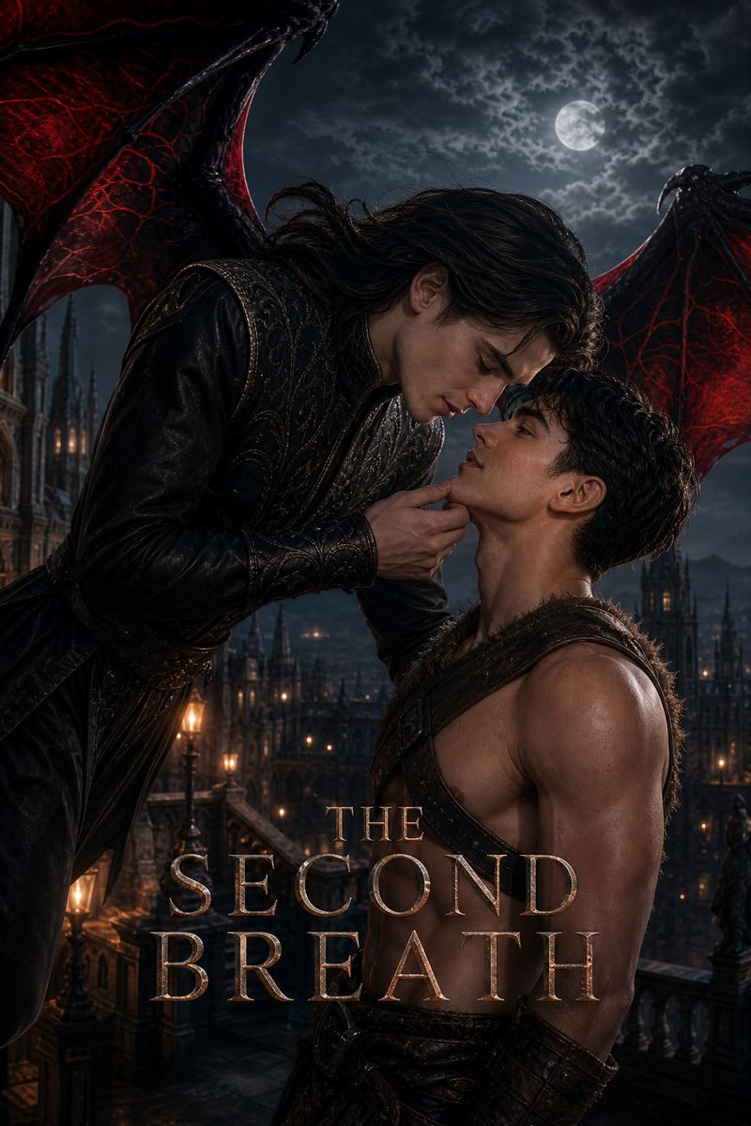 | 第二次呼吸 | SECOND BREATH | 50 | Set a millennium after the extinction of mankind, vampires and lycans co-rule the remnants of the world. Knox, the supreme Baron of the Vampire race, and Aurora, the premier Hunter of the Werewolves, are fated rivals who harbor a secret love. When the tyrannical Werewolf King passes the "Pureblood Act," Aurora's mother is stripped of her rights. The only way to save her is for Aurora to win the Dual-Moon Ritual and claim the "Heart of the Dual Moon," a mythical artifact that grants any wish. To guarantee her victory, Knox secretly binds their fates using a forbidden vampire spell called "Life-Link." While this allows Aurora to wield vampire magic, Knox hides the ultimate price: the link is a one-way sacrifice, transferring every wound Aurora takes onto his own body. Amidst political coups, the murder of Aurora’s mother, and Knox being sentenced to the silver-stake cross by his own kind, the lovers are forced to feign hatred. Through fake weddings, public assassinations, and duals o | EP11 | Female | https://f.io/ZrqYB1a9
136 | Exclusive Available | 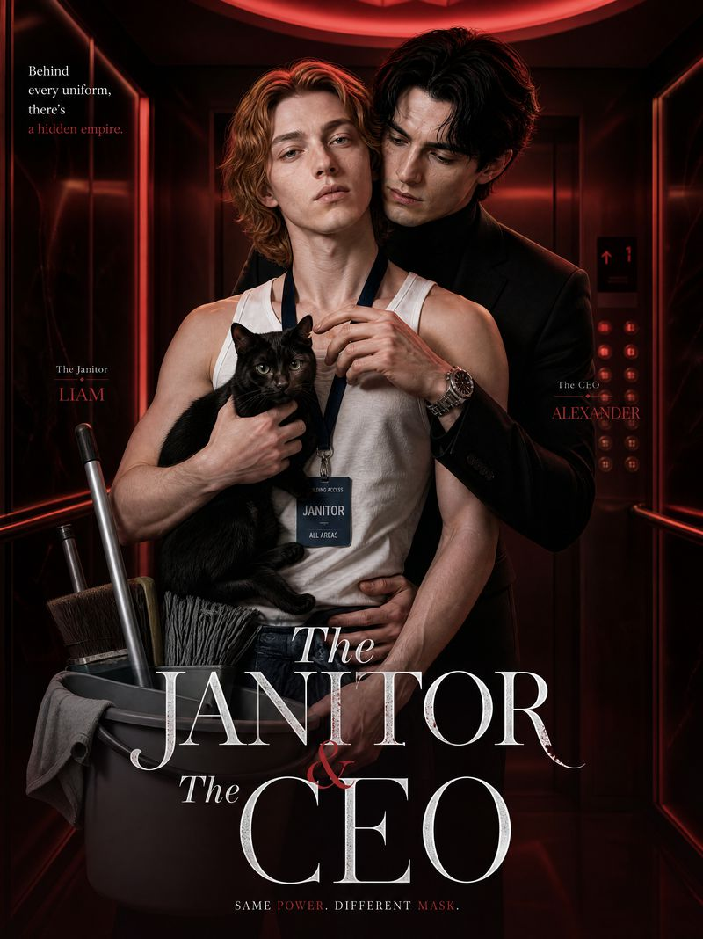 | 清洁工与总裁 | The Janitor & The CEO | 40 | To reclaim stolen shares, Gabriel goes undercover as a janitor at Nathaniel's Ford Industries. Nathaniel's gentle kindness briefly softens him, but bullying from employee Jason misdirects his hostility onto the CEO. He spies and gathers evidence while clashing with Nathaniel—elevator standoffs, protection when framed, subtle flirtation in meetings—shaking his resolve. His online crush NG always hits the mark; the twist: NG is Nathaniel, who has loved him for six years. Torn between his mission and his heart, he sneaks in one night, is caught in a hidden chamber, and kisses Nathaniel in panic. He then triggers a mechanism revealing a wall of candid photos of himself—the truth of a secret love crashing into his revenge. | EP10 | Female | https://f.io/sDfHGIm2
137 | Exclusive Available |  | 海盗女皇 | Siren's Pact: My Pirate Queen | 40 | Princess Genevieve, rightful heir to the Eldorian throne, is drugged and betrayed by her fiancé Lord Sterling on the eve of their wedding. He forges her abdication and sells her to pirates. Captain Maeve Vance of The Avenger rescues her, and forbidden romance grows amid survival. When Sterling and Blackwood's fleet corners them and Maeve is gravely injured, Genevieve dives into the deep and makes a soul contract with the sea witch Ursula, gaining storm-control powers at the cost of her humanity. She builds the Pirate Coalition alongside Maeve, but the pact erodes her soul. With Lady Catherine's help, they retrieve the true royal will, expose Sterling's regicide, and defeat him and Blackwood in an epic siege. As Genevieve freezes into a statue of salt, Maeve walks into the ice storm and kisses her, breaking the curse with true love. The two establish a new dual-queen empire spanning land and sea. | EP11 | Female | https://f.io/hLQksEn6
138 | Exclusive Available |  | 破碎王冠 | The Revenant's Vow: Shattered Crown | 35 | Crown Princess Astrid is murdered on the eve of her coronation by her fiancé Erik and confidant Silas, who poison her wine and usurp the throne. Her soul descends to the underworld, where she bargains with the Norns, trading her human warmth for black magic and a second chance at life. Resurrected in the frozen wastes, she collides with Ragnar, the late king's illegitimate son and a savage warlord, forging a dark alliance: Astrid supplies sorcery; Ragnar provides the army. As a mysterious priestess she infiltrates the capital and destroys her enemies with mind-reading and desire magic. But every spell drains her life force, triggering an ice curse; only Ragnar's searing heat pulls her back, igniting a taboo love. At the coronation, the Mirror of Truth broadcasts their treason and the villains tear each other apart. Astrid overextends her magic and freezes solid; Ragnar pours his burning blood over her to melt the curse. Erik is branded, and they are crowned together atop the ruins, ushering in a dark empire. | EP11 | Female | https://f.io/7WdiZGIt
139 | Exclusive Available |  | 恋上了父亲的私生子 | Crush On My Dad's Illegitimate Son | 60 | After his father’s death, the heir is set to inherit the estate and the dukedom, until a man claiming to be his father’s illegitimate son suddenly appears. Forced to live under the same roof with his half-brother, the heir slowly develops feelings that go far beyond brotherhood. He realizes he has fallen for his own brother, who harbors secrets of his own. | EP8 | Female | https://f.io/XHBA3DRM
140 | Exclusive Available |  | 重生后，我成了教父心尖宠 | Rebirth - Mafia Godfather's Only Treasure | 10 | Elena, the true heiress of the Valentis, was robbed of her gift and her place by adopted sister Cassandra—then murdered by her own family and frozen into a living sculpture. Reborn on the eve of the competition, she exposes the fraud, only to be cast out by her parents. At her lowest, a snowslide warning saves the father of mafia godfather Nicholas, earning the Vittori family's protection. The Valentis crumble fast. Cassandra sends thugs to blind her. Elena competes by touch alone, faces Cassandra head-on, and turns every enemy into a stepping stone. Love ignites between her and Nicholas. She claws back her life—and shreds her rival's glory piece by piece. | EP11 | Female | https://f.io/73rtocx4
141 | Exclusive Available |  | 假死脱身摧毁亿万富翁 | Faked My Death, Destroyed The Billionaire | 50 | Fashion director Sierra faked her death, then crashes her own memorial three years later. Reborn under a new identity, she wages all-out war on the tycoon empire and the dark family behind it, destroying her cheating ex and her traitorous best friend. To free her kidnapped three-year-old son, she must team up with Julian, her billionaire heir ex-husband. Through gunfire and intrigue, they uncover a deadly conspiracy, clear the misunderstandings between them, and bring down the family's darkest secrets together. | EP2 | Female | https://f.io/1s2KHRgL
142 | Exclusive Available |  | 烬胎牢笼 | Bloodbound Covenant of the Ruined Heir | 64 | In Blackwood Bay, Elias is the vessel of holy light, bearing both sacred power and the blood of vampires, hunted by Father Julian as a sacrifice to ascend to godhood. Kael, an ancient vampire, finds this shattered vessel and shields him under his wings with obsessive love. Elias conceives Arael, the "Son of Destruction," and the cult’s conspiracy and heaven’s judgment close in. Kael pours out his ancient blood power to raise a shield, and the two retreat to a seaside cottage with their child. The covenant endures, the cage is forged, and the eternal curtain falls upon their morbid symbiosis. | EP11 | Female | https://f.io/VXBz0Wyr
143 | Exclusive Available |  | 月冕 | Moon Crown | 89 | Selene, a small-town vet, saves injured Wolf King Kael and bears the lost Moon Crown mark, taken to the werewolf court against her will. As the long-lost Moon Crown heir with Eclipse blood, she is framed by noble Lyra and the council. Secrets of the Blood Moon curse and an ancient clan massacre unfold. Kael initially uses her power to suppress his curse but falls for her. They survive trials, plots and wars, overthrow the oppressive old regime, abolish forced master-servant bonds, reject royal chains, and build an equal covenant, gaining love and a new future for all clans. | EP13 | Female | https://f.io/0DL60A2C
144 | Exclusive Available |  | 被谎言束缚：失忆的继承人 | The Amnesiac Heir | 40 | Ryan, heir to a wealthy empire, is ambushed and loses his memory - rescued by Karen, a hybrid mercenary. Bound to him by fate, Karen lies that they are lovers and hides him in her rented apartment. The amnesiac Ryan leans on Karen while secretly instructing his assistant Nolan to quietly protect her. Obsessively possessive, Karen watches for the stepfather's forces hunting Ryan - even as the secret of her werewolf-witch bloodline threatens to surface. Two liars hiding things from each other, torn yet falling in love, while the werewolf clan closes in on Karen and converging crises draw near. | EP7 | Female | https://f.io/KciRRxs5
145 | Exclusive Available |  | 狼王驯服日记 | I Became the Alpha’s Soft Spot | 33 | Beneath New York, a hidden werewolf society runs parallel to the human world. Pureblood Alpha Marcus fabricates a $50,000 debt, forcibly keeping young illustrator Felix by his side for 'protection.' The cold, germaphobic Alpha steadily falls under one roof: he lets Felix into his forbidden zone, shifts into a black wolf to warm him on stormy nights, and even eats organic dog food. Felix seems airheaded but has long known Marcus's identity, deliberately playing dumb. When Felix's tears unexpectedly suppress the deadly silver-blade poison, a rare healing bloodline is revealed, making him Marcus's one and only weakness. After a rival Alpha kidnaps Felix, Marcus storms the enemy camp alone, and his identity is exposed in the life-or-death battle. When the two confess their feelings, Felix's father returns, discovers the romance, and forcibly takes his son away, claiming the werewolf world is too dangerous. Can love between an Alpha and a human break through bloodlines and societal walls? | EP7 | Female | https://f.io/mr2MsBgS
146 | Exclusive Available |  | 继兄攻略我 | My Step-brother Is Courting Me | 31 | Every night Leo dreams of intimate encounters with a mysterious man. After his mother marries into wealth, he discovers the man is his new stepbrother—who harbors equally forbidden desires. | EP7 | Female | https://f.io/Y-JfLdzX
147 | Exclusive Available |  | 她与她的日夜沉沦 | Sinking With My Step-sister | 50 | After a passionate night, Shirley discovers her fling Sophia is actually her stepsister. Despite trying to avoid her, Sophia pursues relentlessly. Unable to resist the attraction, they begin a thrilling yet taboo secret relationship. | EP7 | Female | https://f.io/RGRVywRx
148 | Exclusive Available |  | 野营的故事 | The Camping Night | 40 | Ian, a star football player heading to college on scholarship, craves the warm family life his absent father never provided. During a summer camping trip at his girlfriend Ashley's house, an unexpected incident on the camping night intertwines youthful desire with hidden secrets. | EP9 | Female | https://f.io/WAT8ayjJ
149 | Exclusive Available |  | 丧尸恋爱物语 | Walker Love Tale | 80+ | When the apocalypse strikes, Mia is betrayed by the person she just saved. At death's door, the Zombie King Damian—who has secretly loved her for years—rescues her. Even more shocking: the elegant Zombie Queen in Damian's mansion looks exactly like Mia. | EP11 | Female | https://f.io/GogG6zaM
150 | Exclusive Available |  | 被遗忘的人鱼 | The Mermaid Queen's Revenge | 50 | The East Sea princess, blessed with healing powers, is betrayed by her fiance and family. Stripped of her 999 golden scales, she trades her mermaid heart for legs to become human, then returns with the Land King to take revenge on those who hurt her. | EP7 | Female | https://f.io/ybcE-glZ
151 | Exclusive Available |  | 无翼神女 | The Wingless God | 50 | Cassia, the wingless goddess, is born a scapegoat for a false princess and branded a disaster. Raised by her foster father, she awakens her legendary wings, exposes the true destroyer, overthrows the corrupt winged hierarchy, and ascends as the new queen. | EP7 | Female | https://f.io/Q2S9G-m0
152 | Exclusive Available |  | 逃婚少爷遇上黑手党 | Forced to Marry, Saved by a Killer | 47 | Lucas, the illegitimate son of the Hamilton family, refuses to be a marriage bargaining chip and flees before his wedding, only to stumble into a deadly chase led by Diego, a bounty-hunting mafia boss. The two fake a romance to escape, then join forces to rescue a captive butler. On the run, feelings grow between them as family conspiracies, a drug network, and Diego's past surface one by one—unfolding a life-and-death escape about love, betrayal, and redemption. | EP7 | Female | https://f.io/fEq8obea
153 | Non‑Exclusive |  | 蜂后对决 | Queen Bee vs. Queen Bee | 52 | At St. Clair University, the mysterious 'Skull and Crown' club controls the highest scholarship and a ticket to Wall Street. Blair Sterling, ruler of old money, dominates with rules and privilege; Rory Vance, a genius from the slums on full scholarship, must win the club's $500,000 grant to pay for her sick mother's treatment. From class bullying to mutual sabotage, they are forced into an elite trap and fight back to back. When Blair's fiancé tries to destroy Rory with her humble past, the cold queen tears up aristocratic etiquette and publicly crushes him: 'At St. Clair, only I have the right to destroy her. You are not worthy of a single glance.' | EP6 | Female | https://f.io/Dp5XYC0h
154 | Non‑Exclusive |  | 两小时恋人 | Two-Hour Lovers | 52 | A magic contract: two hours of intimacy every day. He is the 'landlocked' water-magic apprentice ridiculed by the whole academy; she is a cold-blooded killer behind an elegant mask. Forced to share a bed, Ailian and Serena become each other's most intimate prisoners. He only wants to escape shame; what she wants is the forbidden power inside him. When a thousand-year curse tears the manor apart and guild shadows close in, the cold contract suddenly burns hot - from the moment they signed, their fates were already written together. Two hours of entanglement, a lifetime of bonds. | EP7 | Female | https://f.io/I1GVx-fO
155 | Non‑Exclusive |  | 贫民窟的加冕礼 | The Coronation in the Slums | 52 | Slum girl Eva forges a recommendation letter to force her way into Wentworth, an elite prep academy. On her first day, student council president Asher sees through her. Forced to sign a 'compliance contract', she becomes a prisoner in his secret game. In his obedience experiments, Eva discovers that previous scholarship students were not expelled but 'cleansed' by the board for double funding, their bodies sunk in the river. Worse, her own name is already on the 'samples to process' list. When Eva and Asher become fugitive partners, they set a final trap at the graduation banquet. Asher breaks his family's chains and hands Eva the mic and livestream to expose the ledger of blood to the city's elite. In the end, Eva doesn't just destroy the Wentworth empire - she establishes an independent scholarship fund, proving the most dangerous thing is not a forged resume but a suppressed soul. She is not trash to be cleaned, but the new king rewriting the rules. | EP6 | Female | https://f.io/ztwKD2l1
156 | Exclusive Available |  | 死神的命定新娘 | The Reaper's Fated Bride | 52 | A mad prophecy spreads across the divine realm: whoever bears the 'Heaven-Chosen Son' overthrows Zeus and becomes king of all gods. In her past life, Elara married Eros, the god of love, who drained her 'soul fire' until she withered and died after childbirth. Reborn at the divine consort ceremony, her sister Cassia seizes the coveted golden arrow of Eros, but Elara takes the black scythe of Thanatos - the god of death all gods fear. Everyone waits for her to fall into hell, yet Eros's romance is devouring, while Thanatos's death is salvation. As her sister falls into necromancy to birth a divine son, Elara is nourished back to life by Thanatos at the cost of his own divine lifespan, and conceives the true heir who can sever the threads of fate. This time, she will rewrite her own destiny and make the entire divine realm bow to a new ruler. | EP8 | Female | https://f.io/0ZzBpJGN
157 | Exclusive Available |  | 与我相战，与我相爱 | Fight Me, Love Me |  | Undefeated world boxing champion Callum is knocked down in just 8 seconds by last-minute challenger Teo. Even more shocking, Callum kisses his rival right after the match. When the photo goes viral, the two are forced to face off in public while secretly falling for each other. Just as their feelings heat up, Teo is dragged into a doping scandal, stripped of his title and branded a fraud. Callum refuses to walk away and publicly admits Teo is his lover. The truth soon flips: the doping came from contaminated supplements the organizers knew about all along. 135 days later, Teo returns to the ring - this time fighting for more than the title: his honor, and the man who never gave up on him. | EP6 | Female | https://f.io/NhJcHgo3

